Graph1
Monthly Survey On Expectations September 2026
Inflation current month (monthly change)
Answers: 48 Median: 0,5%

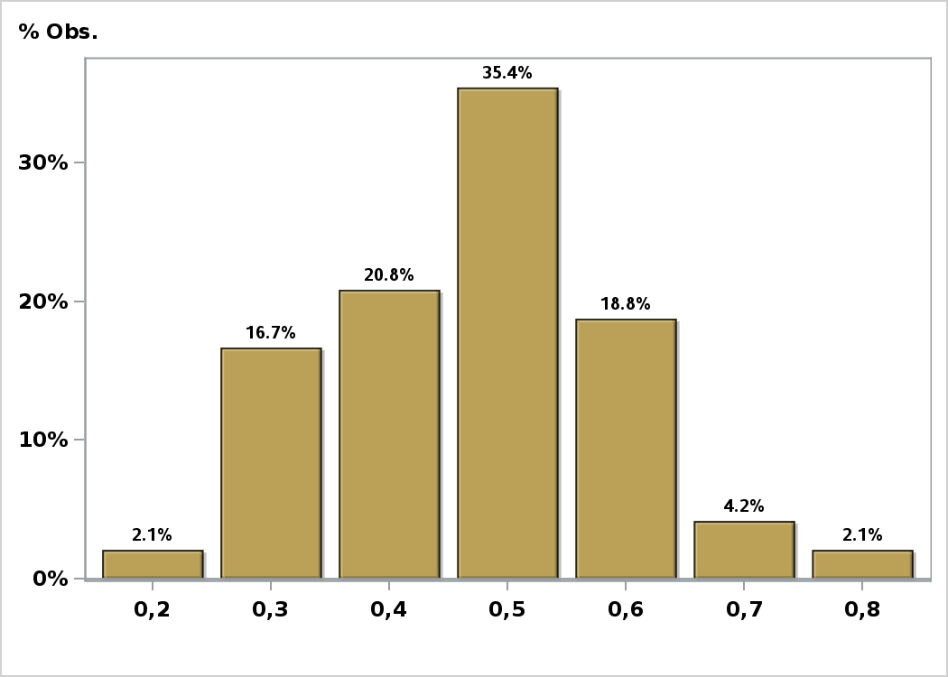

Click to view summary table

Graph2
Monthly Survey On Expectations September 2026
Inflation next month (monthly change)
Answers: 48 Median: 0,3%

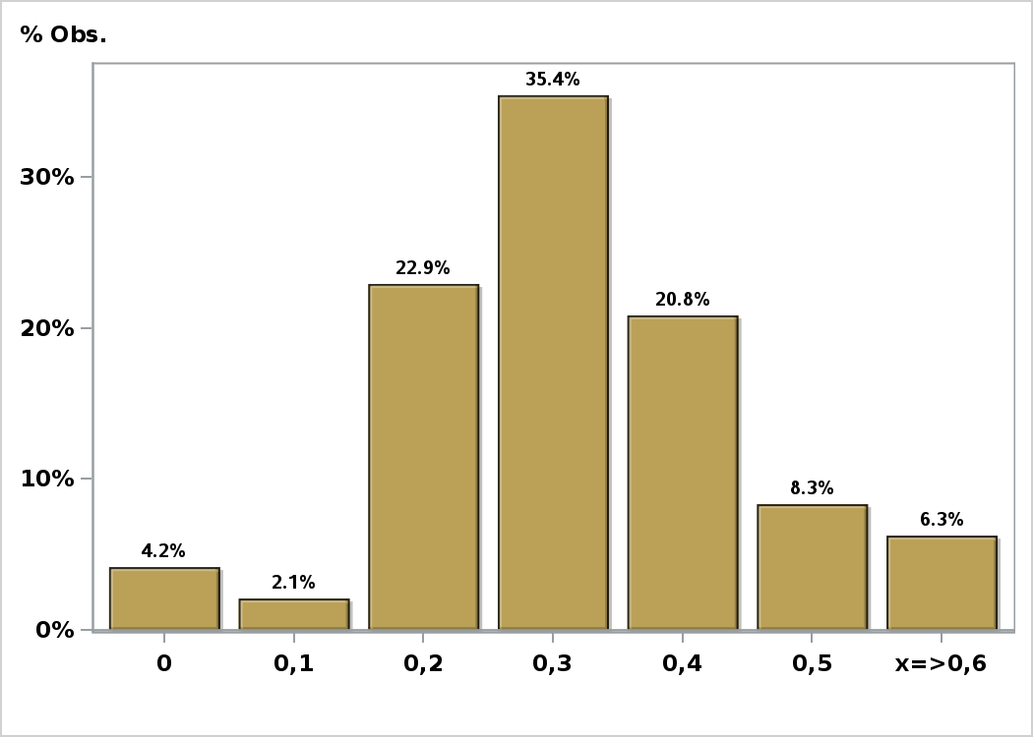

Click to view summary table

Graph3
Monthly Survey On Expectations September 2026
Inflation in eleven months (12-month change)
Answers: 48 Median: 3,3%

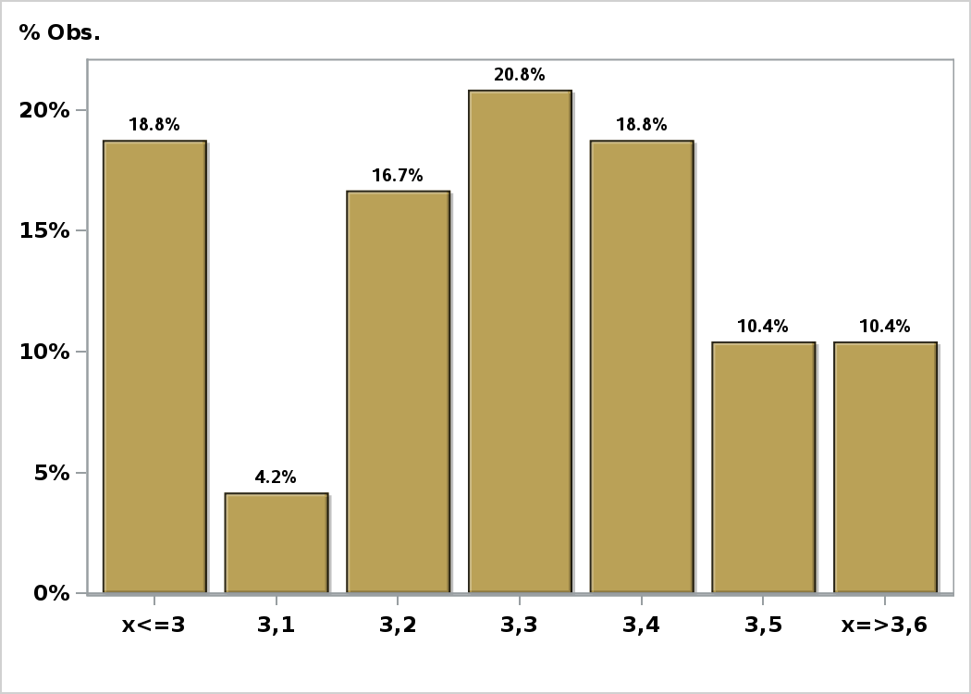

Click to view summary table

Graph4
Monthly Survey On Expectations September 2026
Inflation in twenty three months (12-month change)
Answers: 48 Median: 3%

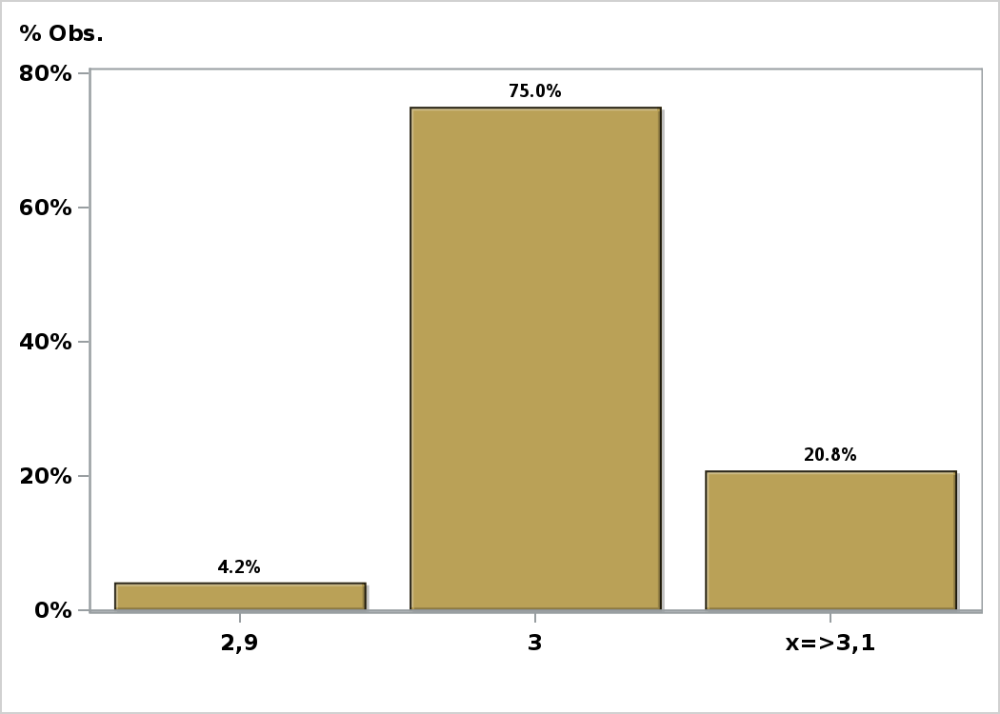

Click to view summary table

Graph5
Monthly Survey On Expectations September 2026
Inflation in thirty five months (12-month change)
Answers: 48 Median: 3%

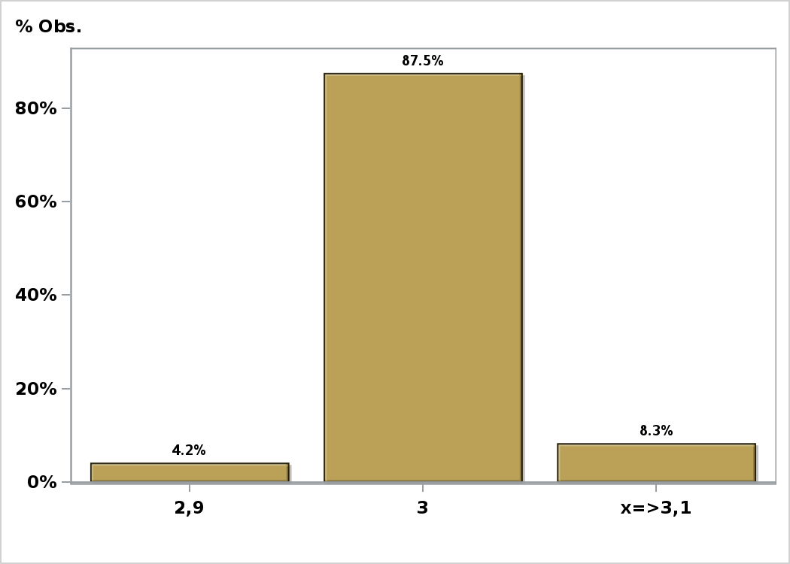

Click to view summary table

Graph6
Monthly Survey On Expectations September 2026
Inflation december 2026 ( 12-month change )
Answers: 48 Median: 4,4%

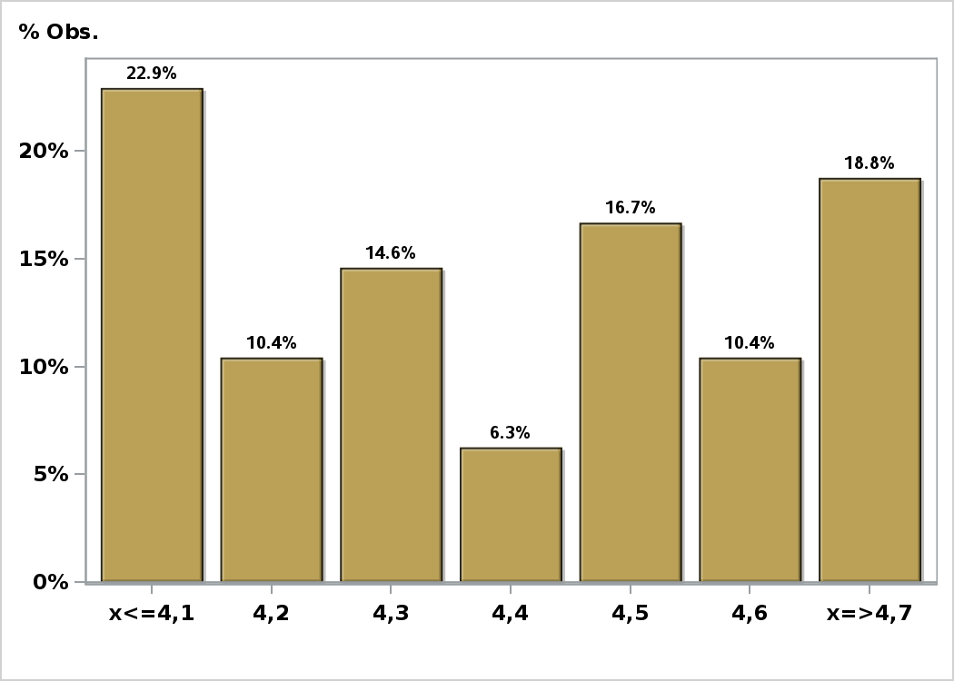

Click to view summary table

Graph7
Monthly Survey On Expectations September 2026
Inflation december 2027 ( 12-month change )
Answers: 48 Median: 3%

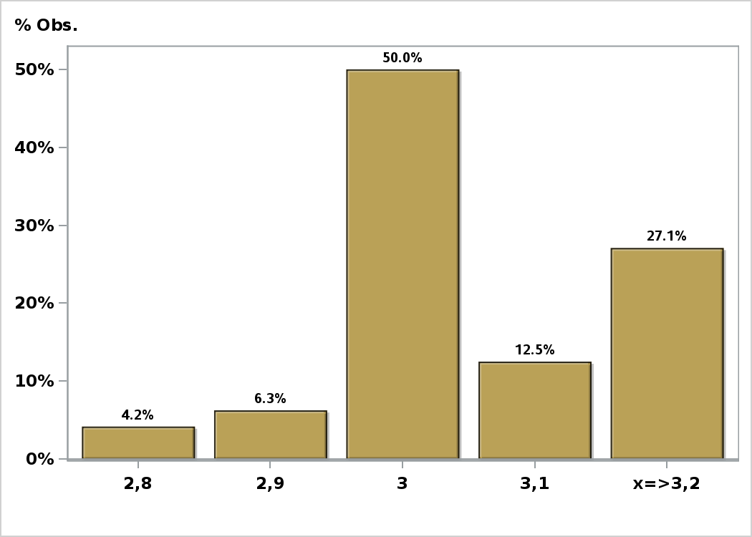

Click to view summary table

Graph8
Monthly Survey On Expectations September 2026
Inflation without volatiles current month (monthly change)
Answers: 42 Median: 0,3%

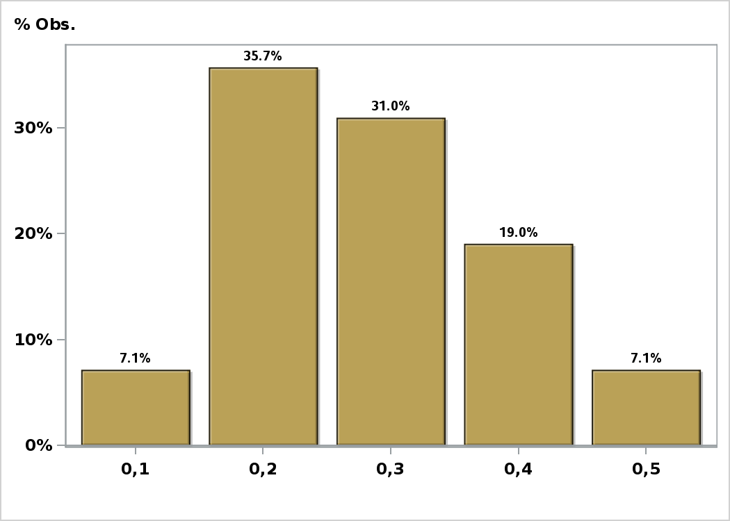

Click to view summary table

Graph9
Monthly Survey On Expectations September 2026
Inflation without volatiles next month (monthly change)
Answers: 40 Median: 0,2%

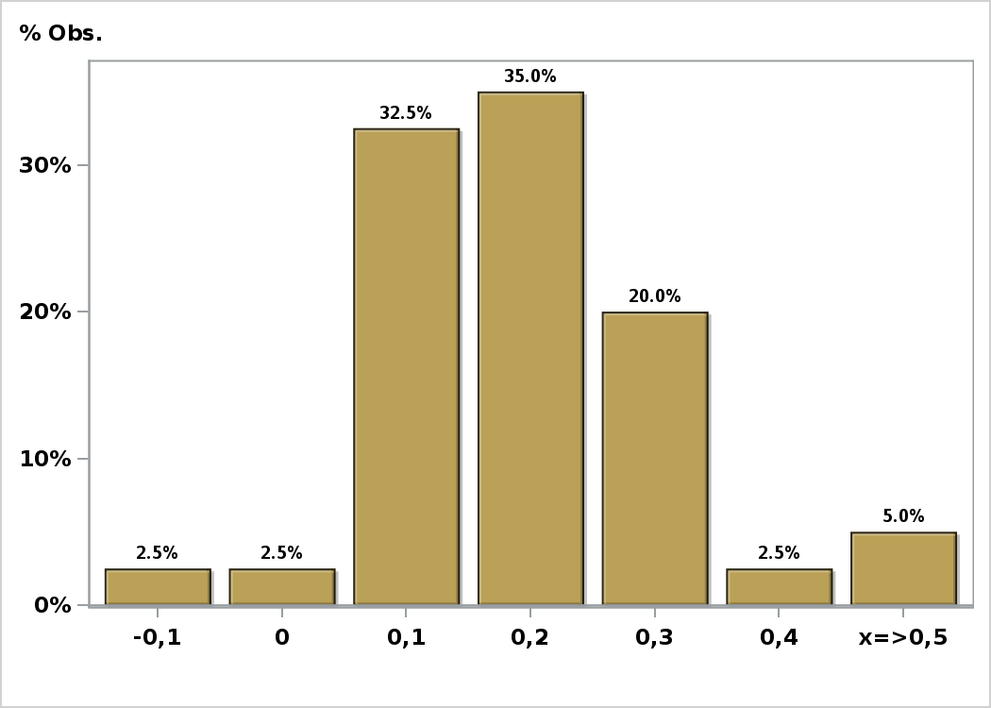

Click to view summary table

Graph10
Monthly Survey On Expectations September 2026
Inflation without volatiles in eleven months (12-month change)
Answers: 39 Median: 3,2%

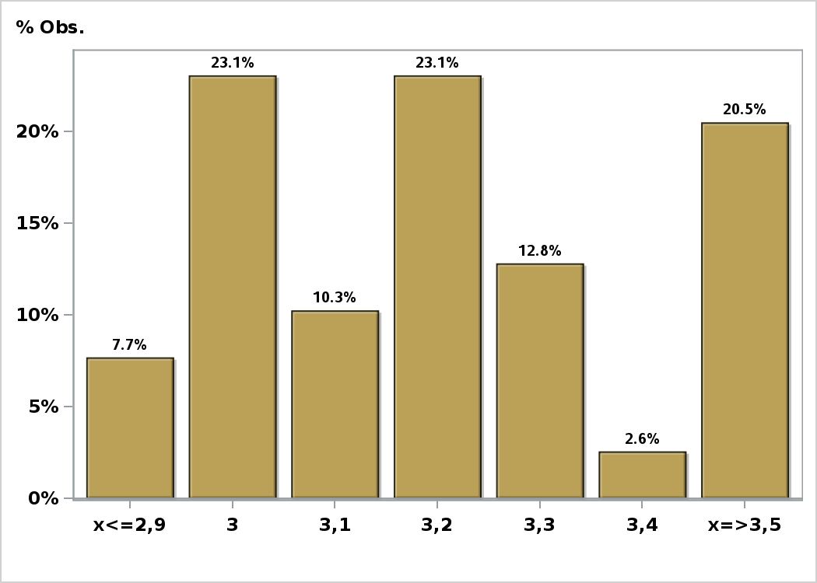

Click to view summary table

Graph11
Monthly Survey On Expectations September 2026
Inflation without volatiles in twenty three months (12-month change)
Answers: 40 Median: 3%

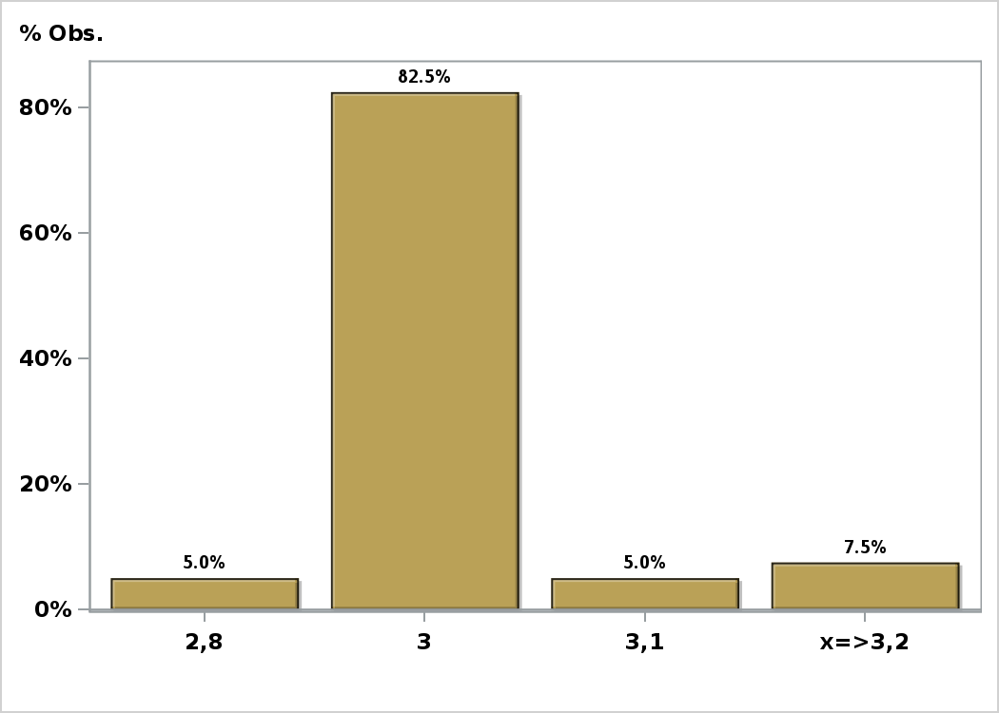

Click to view summary table

Graph12
Monthly Survey On Expectations September 2026
Inflation without volatiles in thirty five months (12-month change)
Answers: 40 Median: 3%

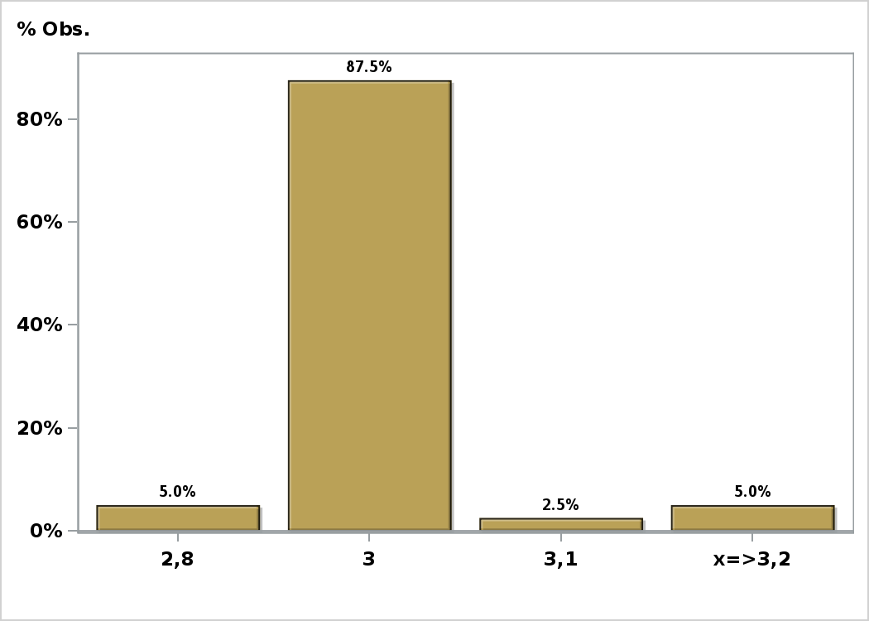

Click to view summary table

Graph13
Monthly Survey On Expectations September 2026
Inflation without volatiles december 2026 ( 12-month change )
Answers: 41 Median: 3,6%

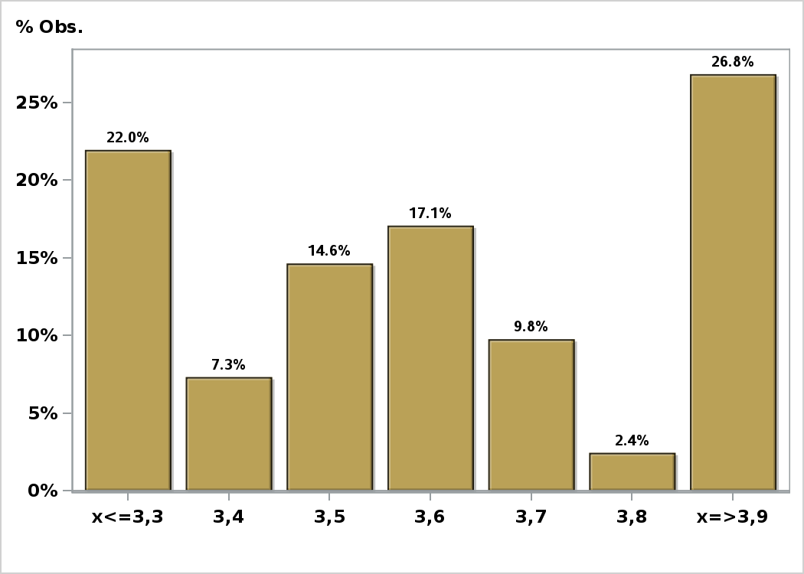

Click to view summary table

Graph14
Monthly Survey On Expectations September 2026
Inflation without volatiles december 2027 ( 12-month change )
Answers: 40 Median: 3%

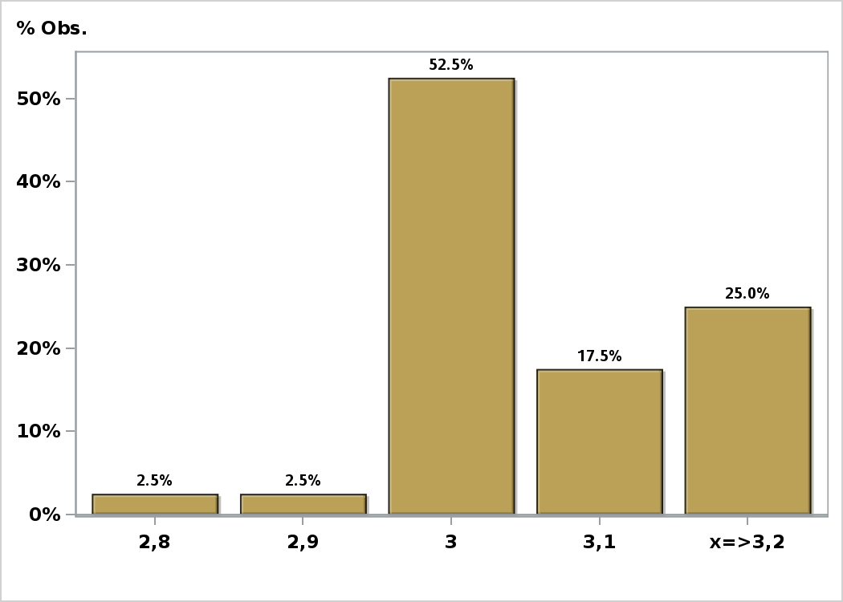

Click to view summary table

Graph15
Monthly Survey On Expectations September 2026
Monetary Policy rate target following meeting
Answers: 48 Median: 4,5%

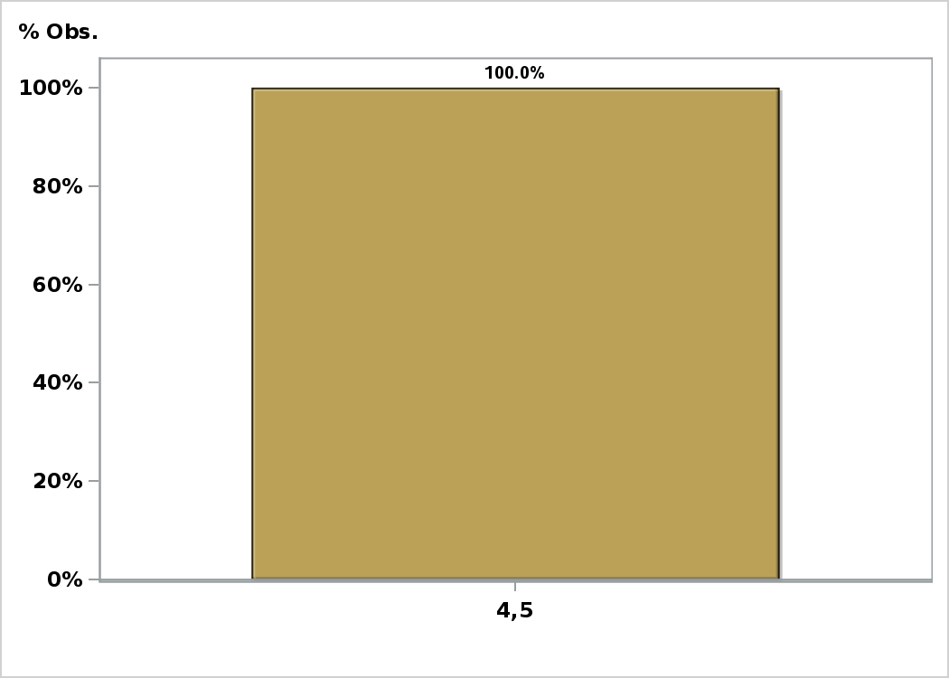

Click to view summary table

Graph16
Monthly Survey On Expectations September 2026
Monetary Policy rate target second following meeting
Answers: 48 Median: 4,5%

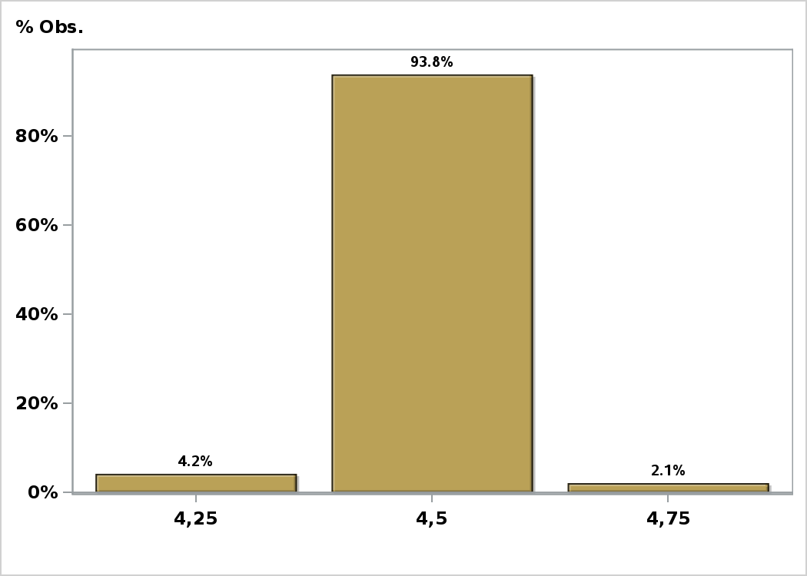

Click to view summary table

Graph17
Monthly Survey On Expectations September 2026
Monetary Policy rate target In five months
Answers: 48 Median: 4,5%

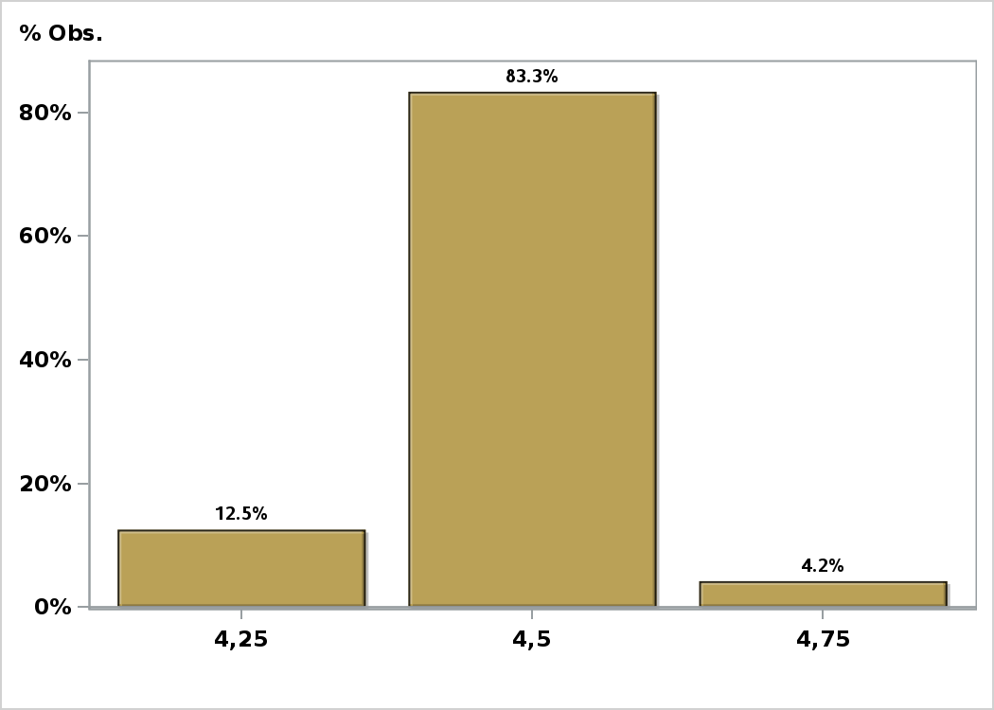

Click to view summary table

Graph19
Monthly Survey On Expectations September 2026
Monetary Policy rate target in eleven months
Answers: 48 Median: 4,5%

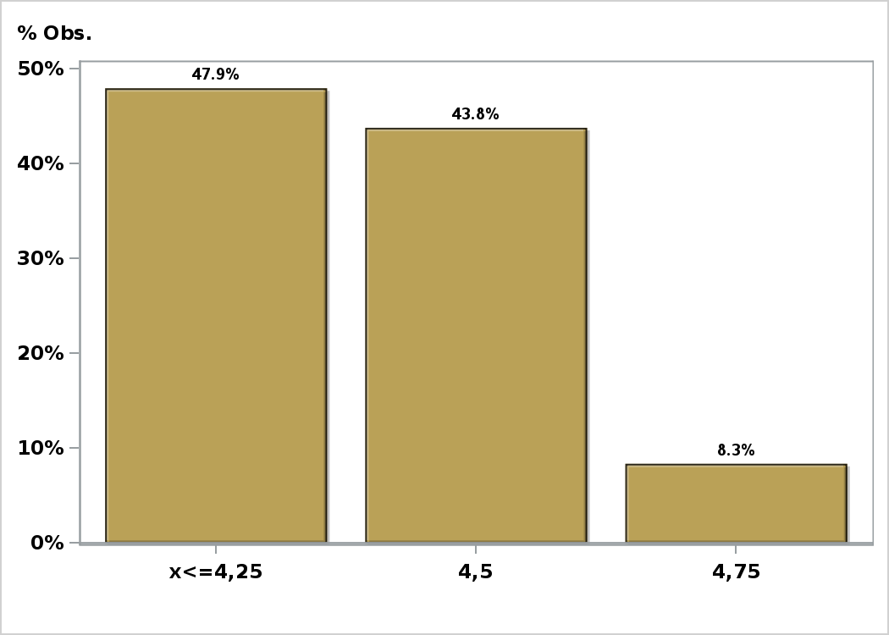

Click to view summary table

Graph20
Monthly Survey On Expectations September 2026
Monetary Policy rate target in seventeen months
Answers: 48 Median: 4,25%

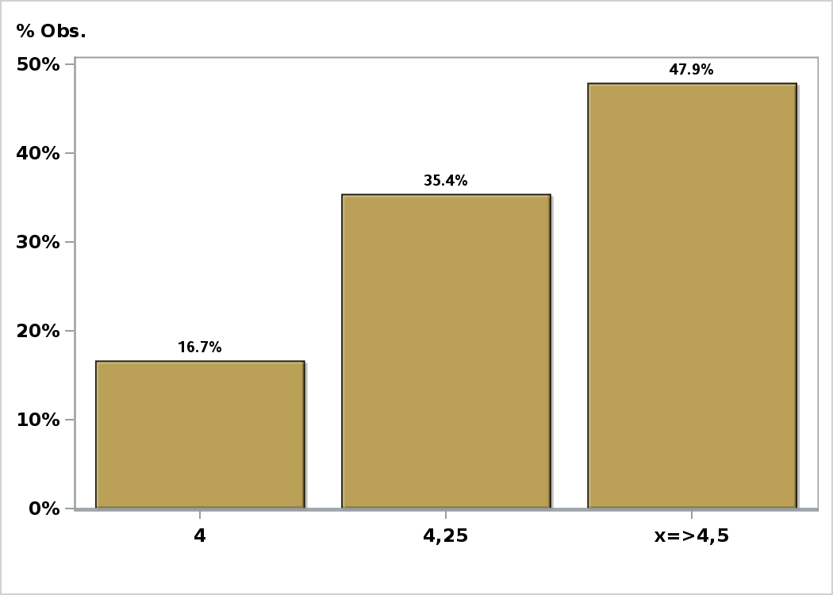

Click to view summary table

Graph21
Monthly Survey On Expectations September 2026
Monetary Policy rate target in twenty three months
Answers: 48 Median: 4,25%

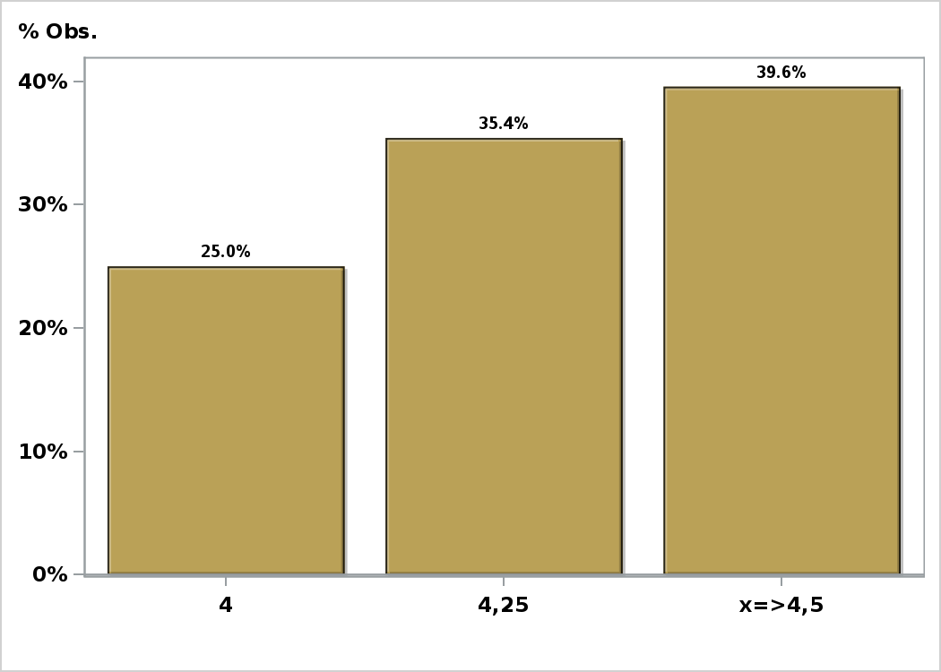

Click to view summary table

Graph22
Monthly Survey On Expectations September 2026
Monetary Policy rate target in thirty five months
Answers: 48 Median: 4,25%

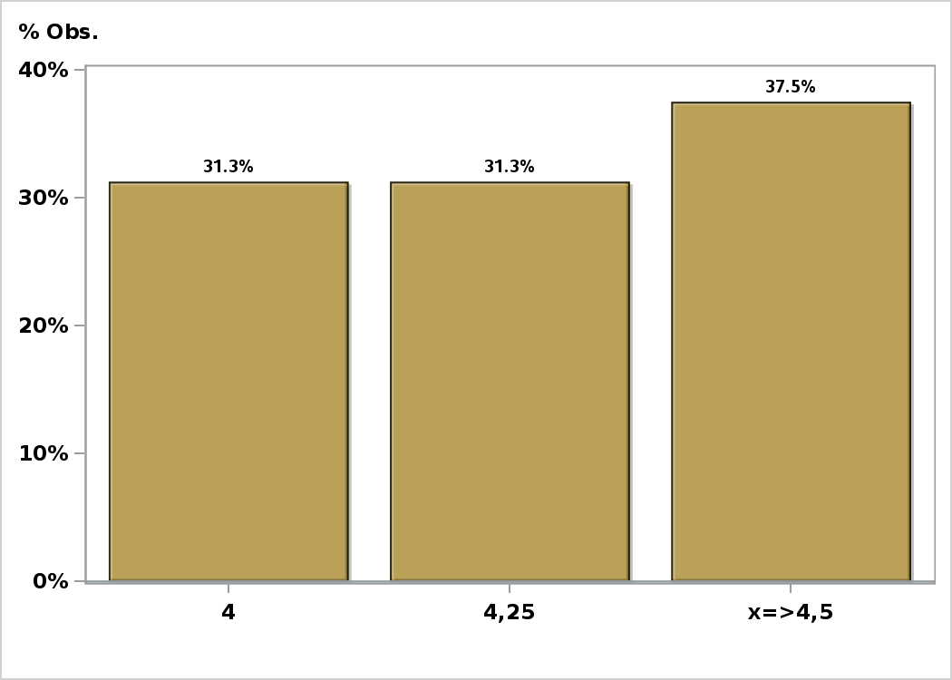

Click to view summary table

Graph23
Monthly Survey On Expectations September 2026
Exchange Rate in two months (CH $ per US$)
Answers: 47 Median: $910

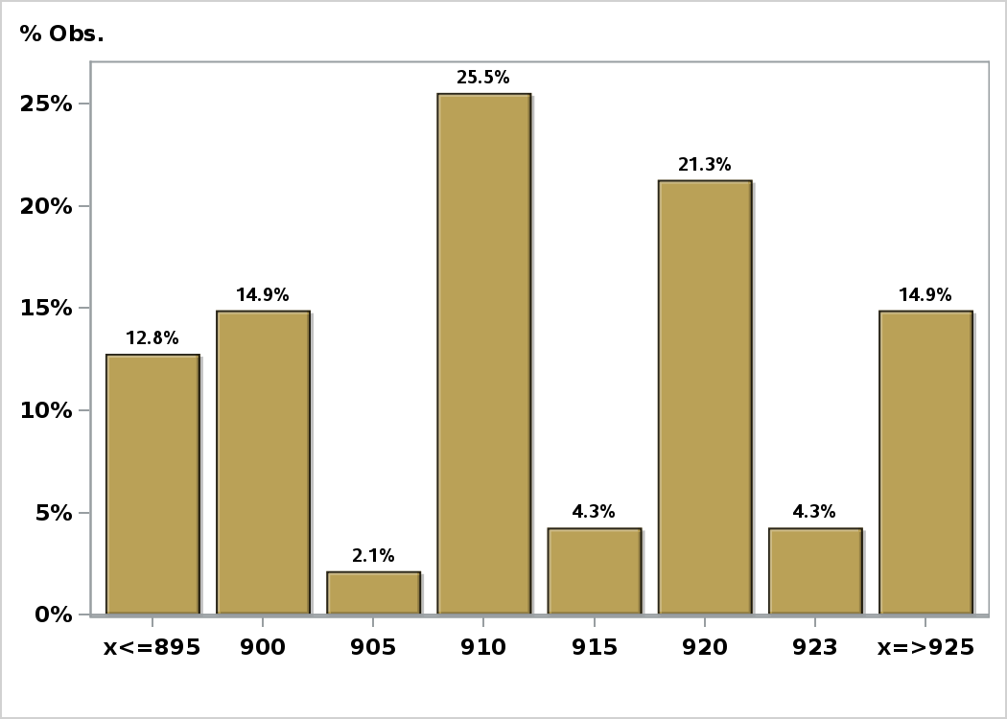

Click to view summary table

Graph24
Monthly Survey On Expectations September 2026
Exchange Rate in eleven months (CH $ per US$)
Answers: 47 Median: $889

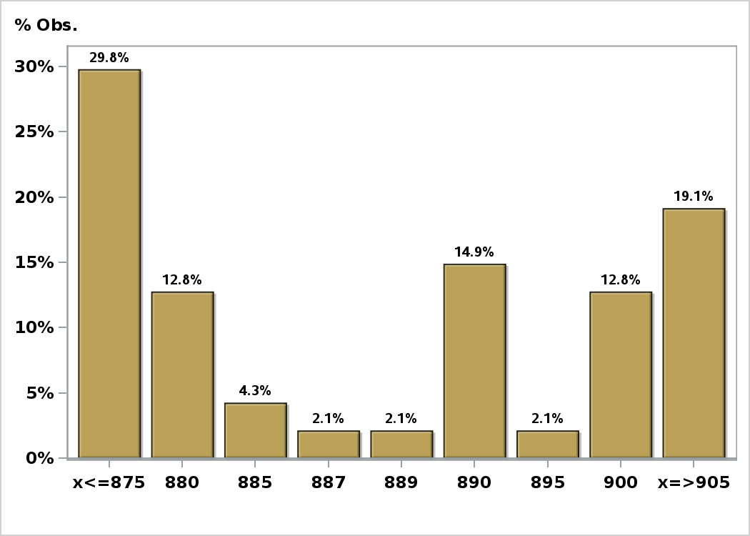

Click to view summary table

Graph25
Monthly Survey On Expectations September 2026
Exchange Rate in twenty three months forward (CH $ per US$)
Answers: 47 Median: $880

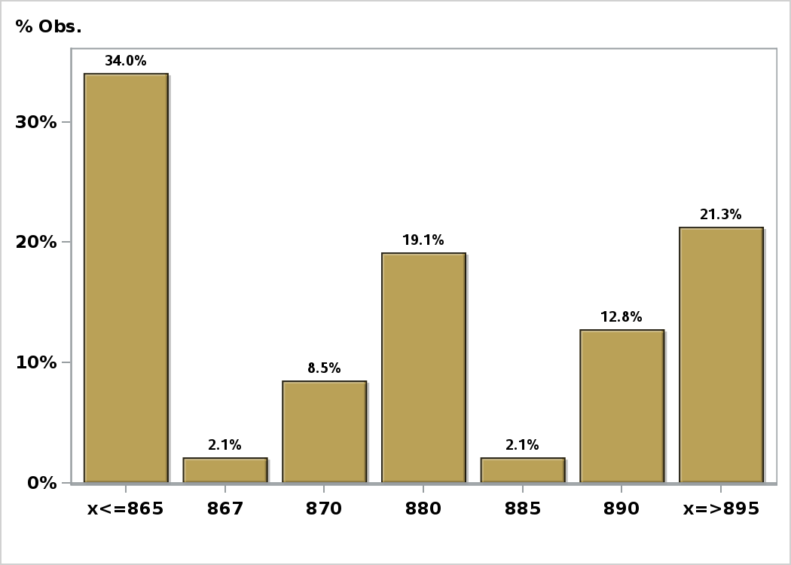

Click to view summary table

Graph26
Monthly Survey On Expectations September 2026
IMACEC (Monthly Activity Index) one month ago
Answers: 45 Median: 0,5%

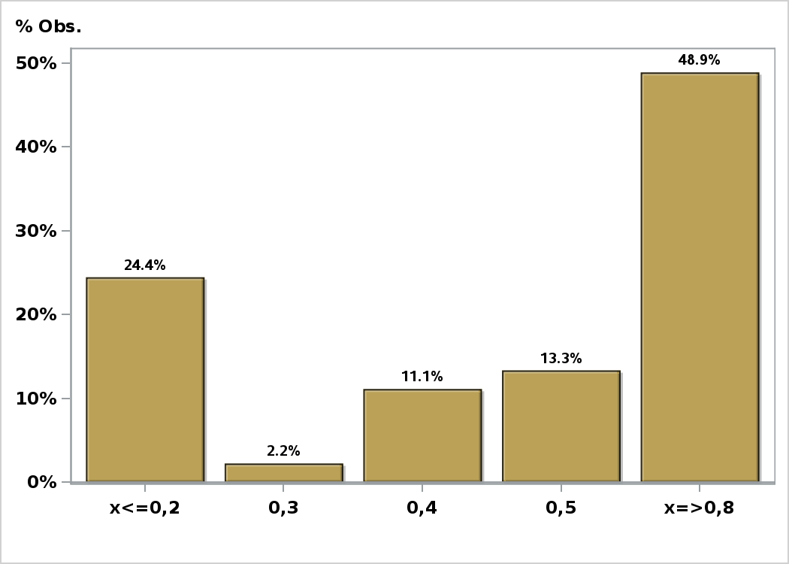

Click to view summary table

Graph27
Monthly Survey On Expectations September 2026
IMACEC No Mining (Monthly Activity Index) one month ago
Answers: 39 Median: 1%

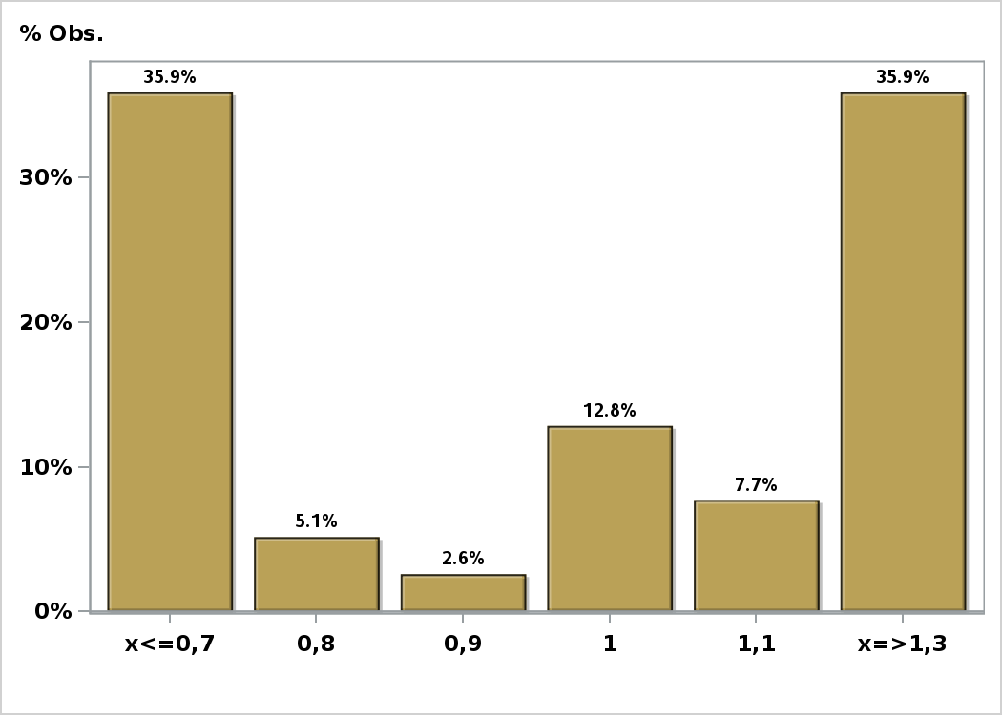

Click to view summary table

Graph28
Monthly Survey On Expectations September 2026
GDP within calendar quarter of the survey
Answers: 43 Median: 0,4%

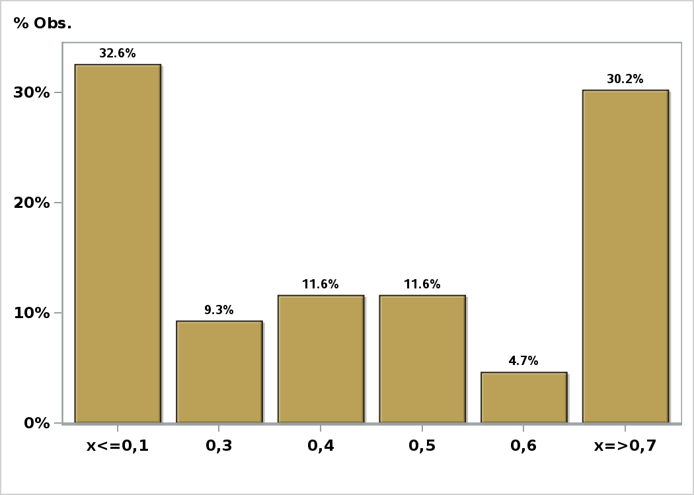

Click to view summary table

Graph29
Monthly Survey On Expectations September 2026
GDP year 2026 (12-month change)
Answers: 47 Median: 0,7%

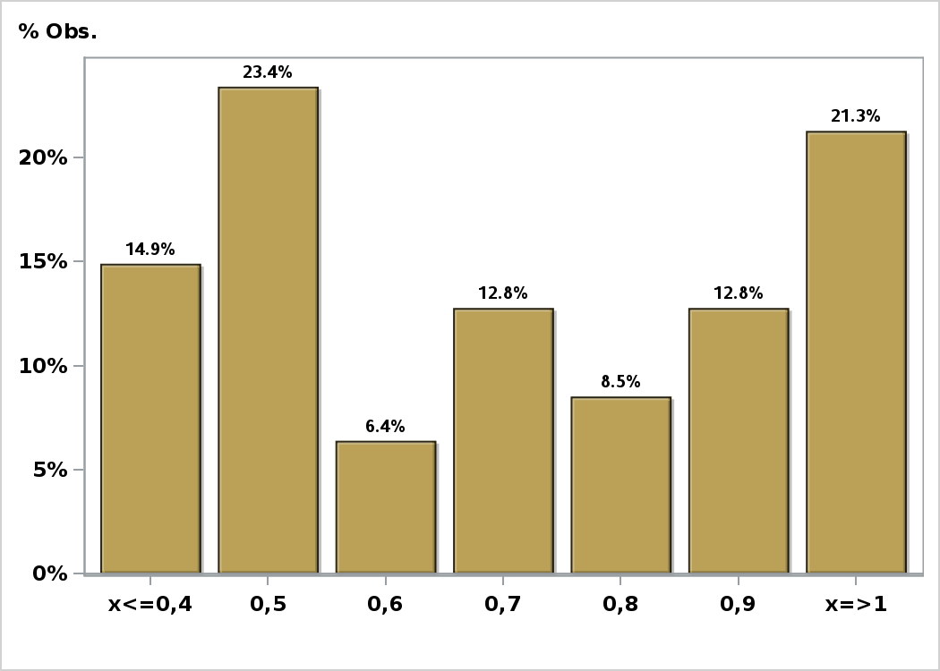

Click to view summary table

Graph30
Monthly Survey On Expectations September 2026
GDP year 2027 (12-month change)
Answers: 47 Median: 2,9%

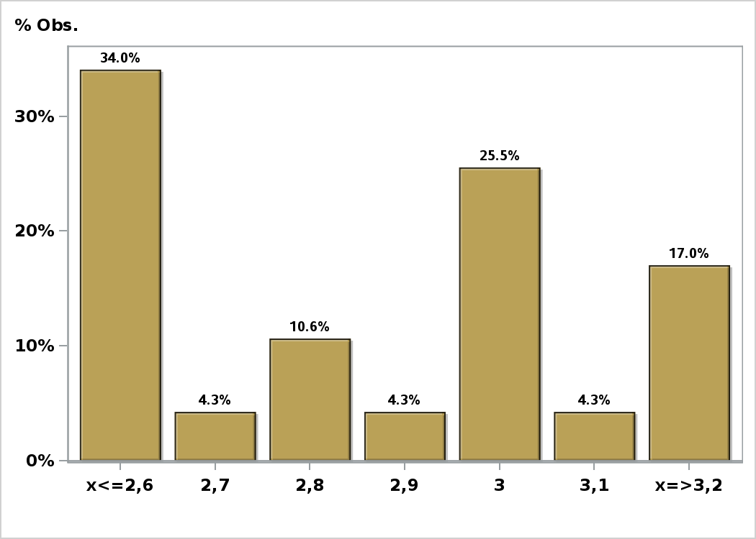

Click to view summary table

Graph31
Monthly Survey On Expectations September 2026
GDP year 2028 (12-month change)
Answers: 44 Median: 2,6%

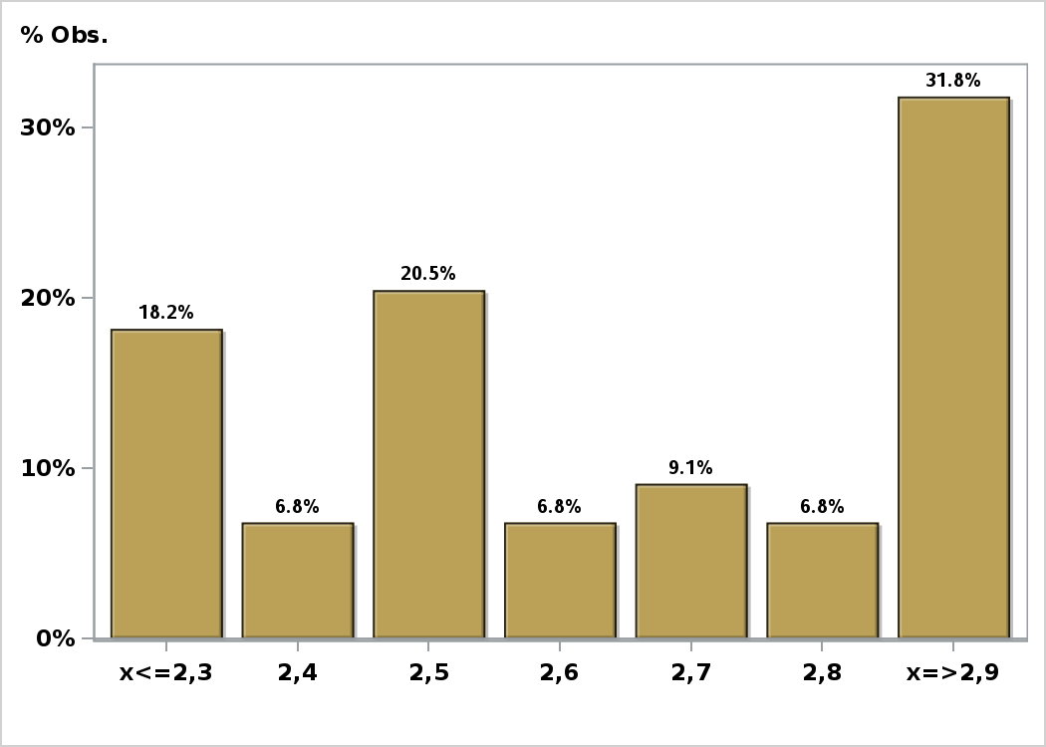

Click to view summary table

Graph32
Monthly Survey On Expectations September 2026
GDP No Mining within calendar quarter of the survey
Answers: 38 Median: 0,8%

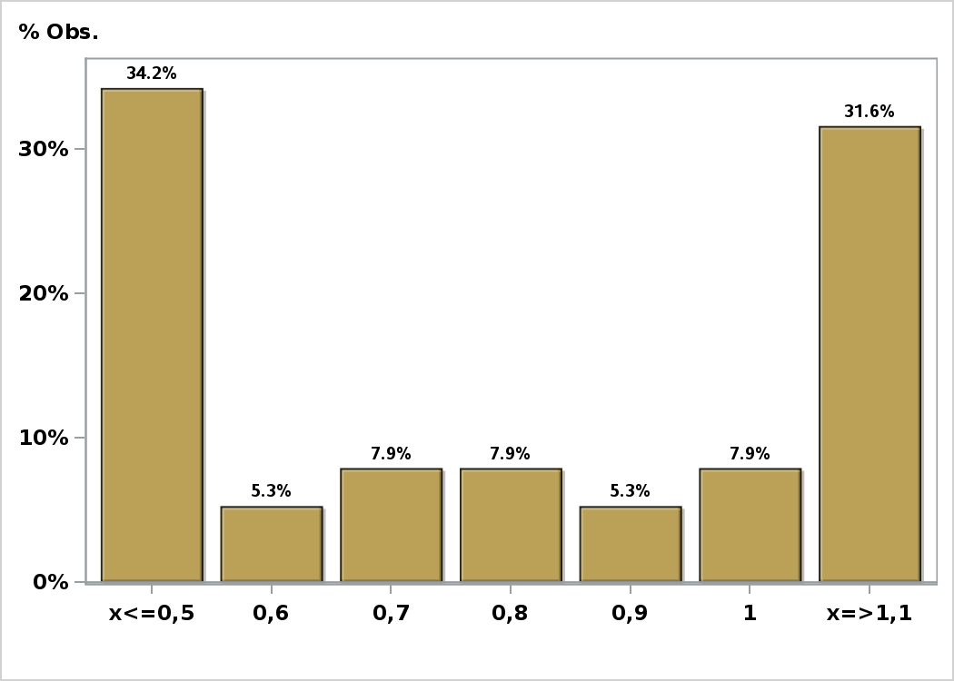

Click to view summary table

Graph33
Monthly Survey On Expectations September 2026
GDP No Mining year 2026 (12-month change)
Answers: 40 Median: 1%

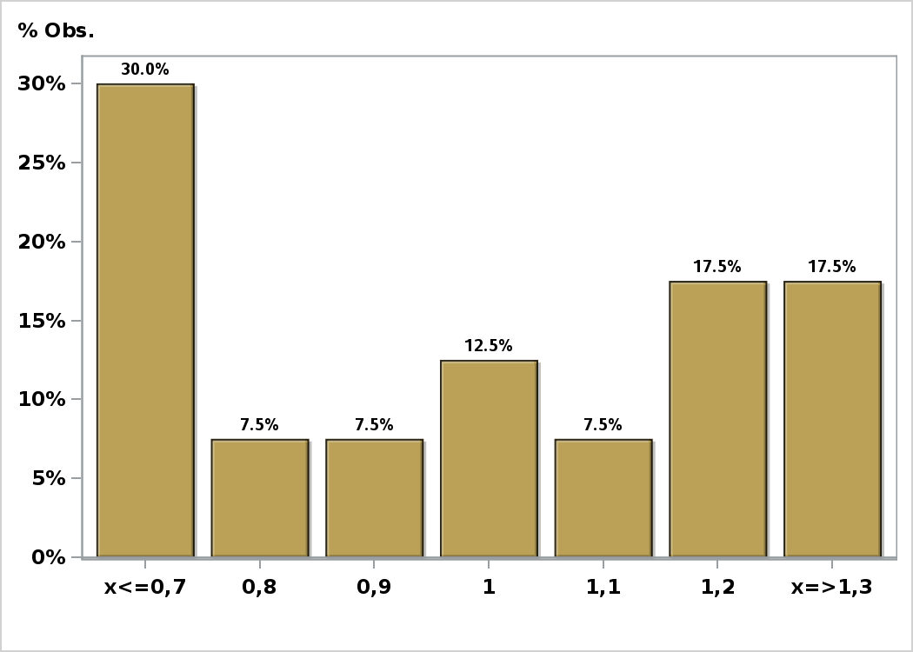

Click to view summary table

Graph34
Monthly Survey On Expectations September 2026
GDP No Mining year 2027 (12-month change)
Answers: 39 Median: 2,6%

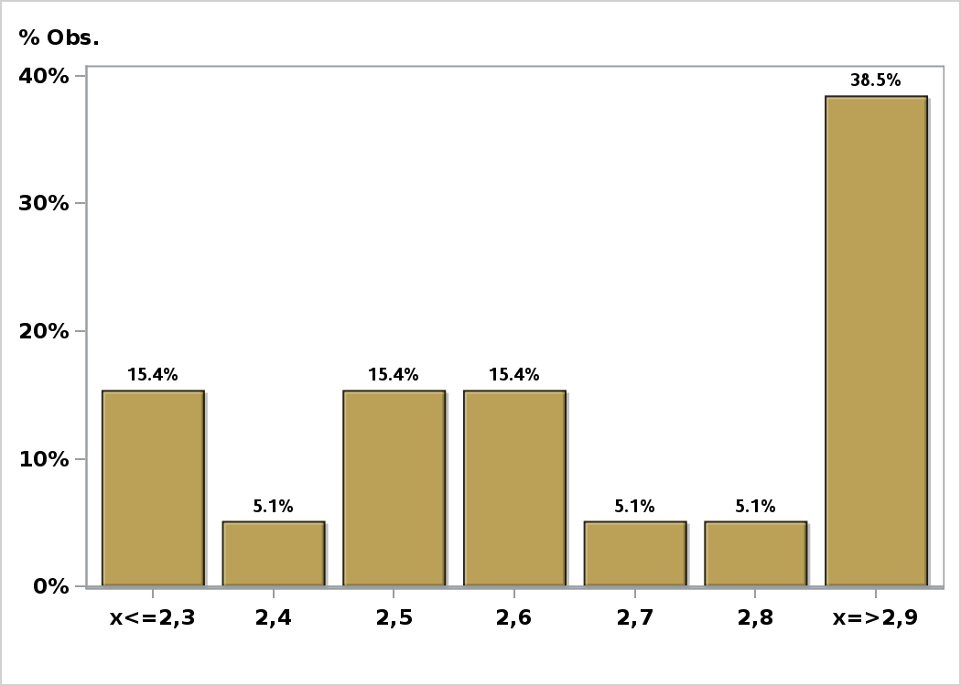

Click to view summary table

Graph35
Monthly Survey On Expectations September 2026
GDP No Mining year 2028 (12-month change)
Answers: 38 Median: 2,6%

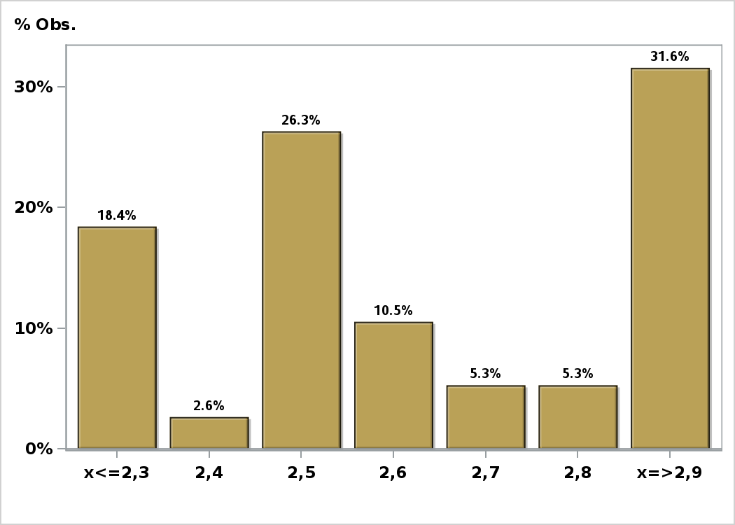

Click to view summary table

Graph36
Monthly Survey On Expectations September 2026
HFC including NPO year 2026 (12-month change)
Answers: 39 Median: 1,6%

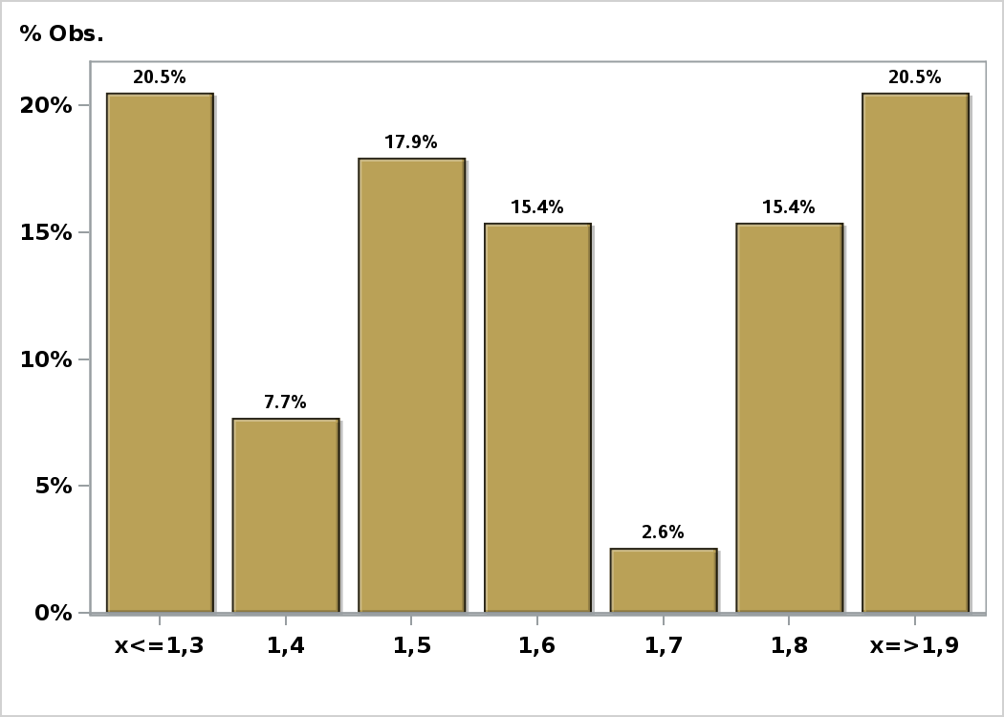

Click to view summary table

Graph37
Monthly Survey On Expectations September 2026
HFC including NPO year 2027 (12-month change)
Answers: 39 Median: 2,5%

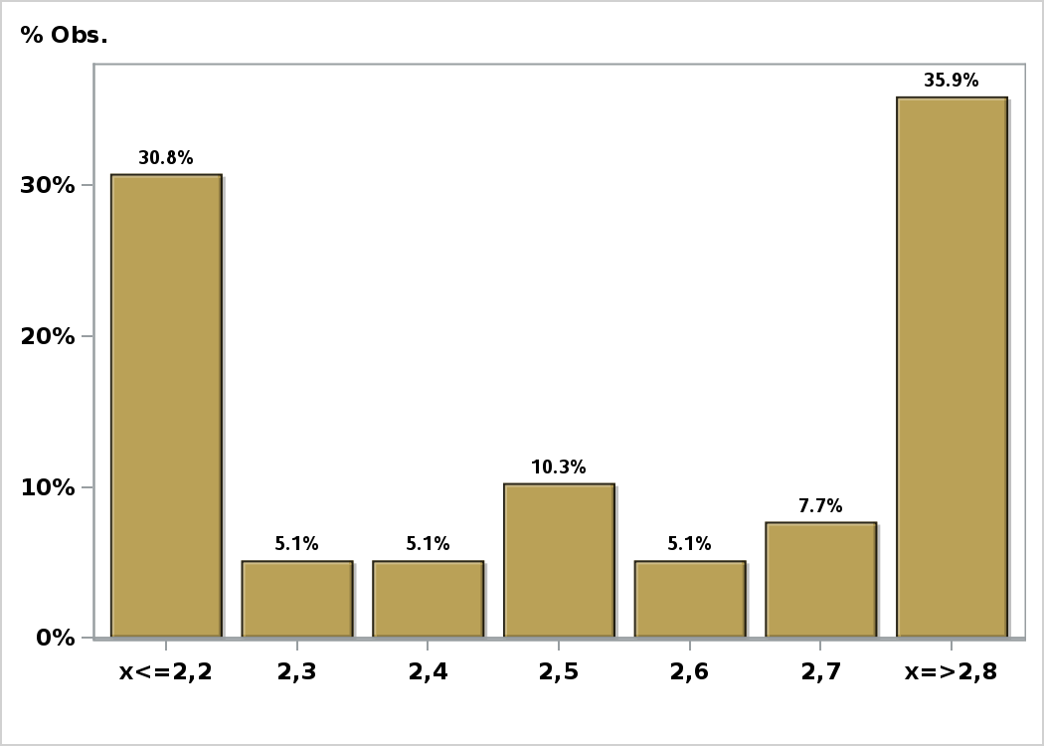

Click to view summary table

Graph38
Monthly Survey On Expectations September 2026
GFCF year 2026 (12-month change)
Answers: 39 Median: 5,5%

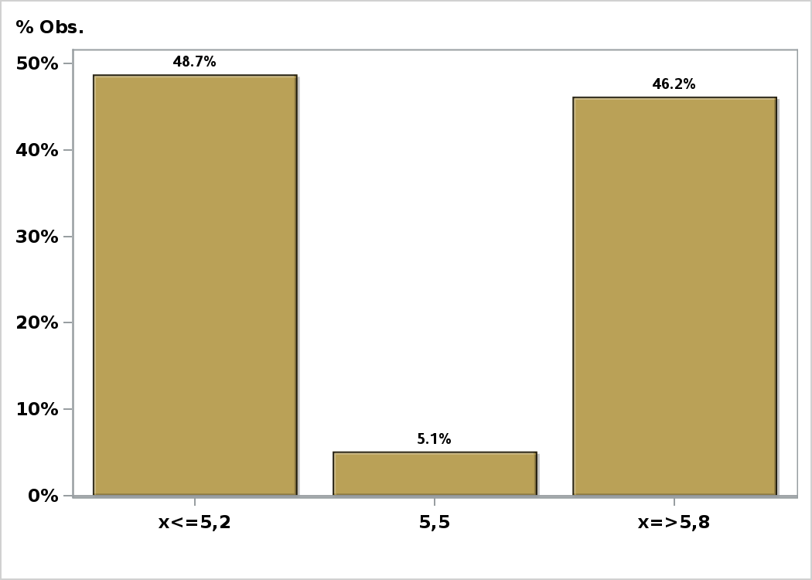

Click to view summary table

Graph39
Monthly Survey On Expectations September 2026
GFCF year 2027 (12-month change)
Answers: 39 Median: 2,1%

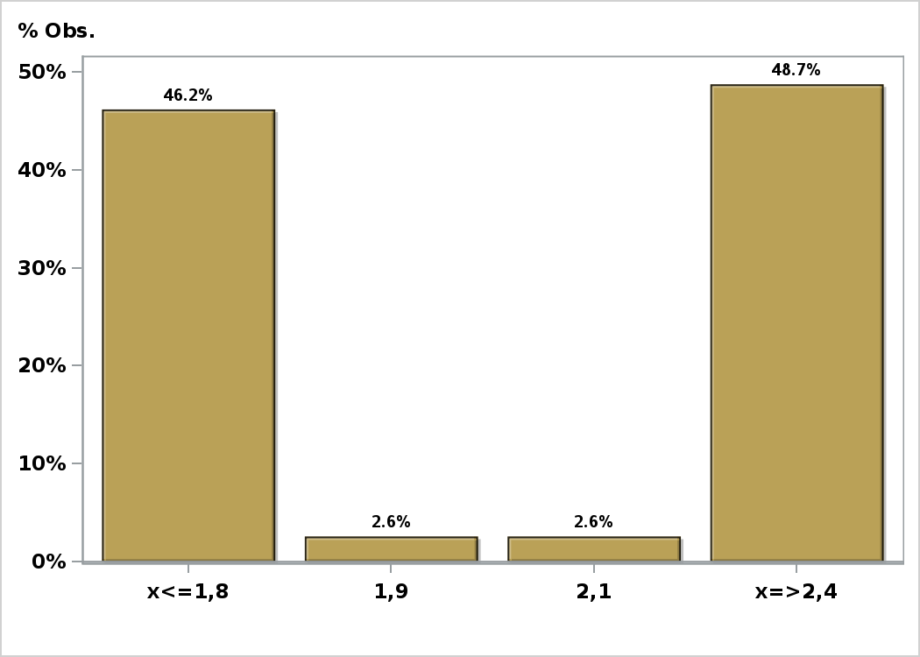

Click to view summary table

