Graph1
Monthly Survey On Expectations September 2023
Inflation current month (monthly change)
Answers: 47 Median: 0,5%

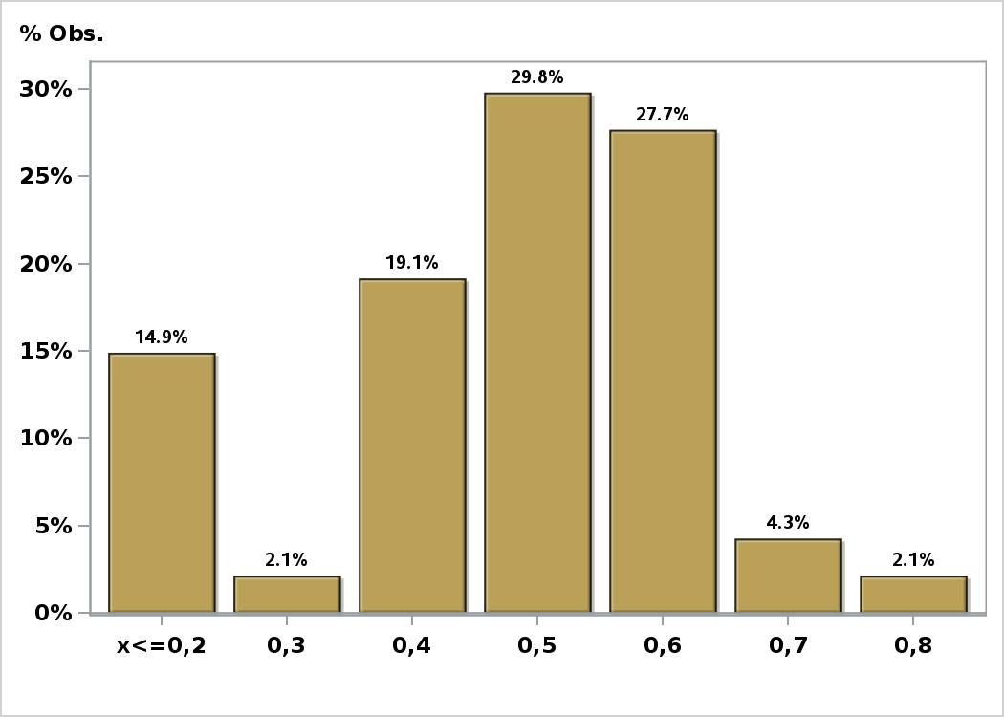

Click to view summary table

Graph2
Monthly Survey On Expectations September 2023
Inflation next month (monthly change)
Answers: 48 Median: 0,5%

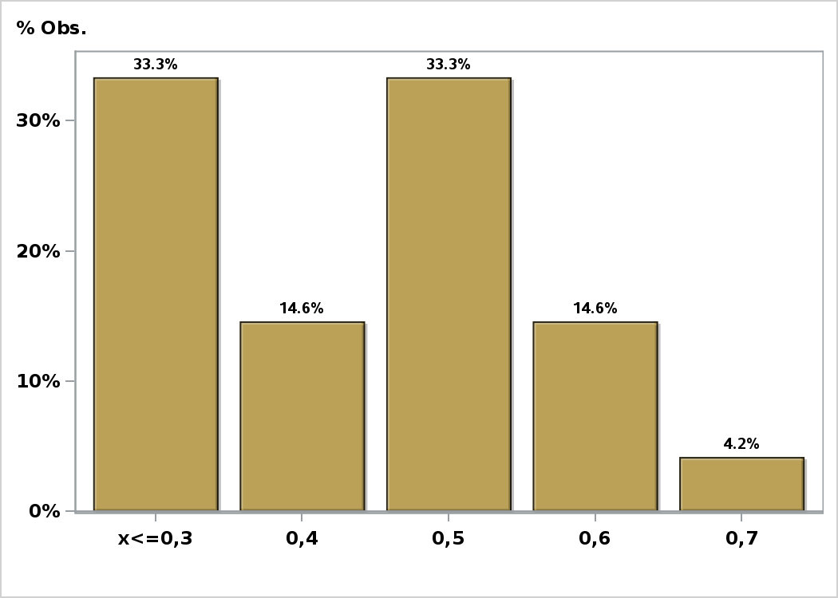

Click to view summary table

Graph3
Monthly Survey On Expectations September 2023
Inflation in eleven months (12-month change)
Answers: 48 Median: 3,5%

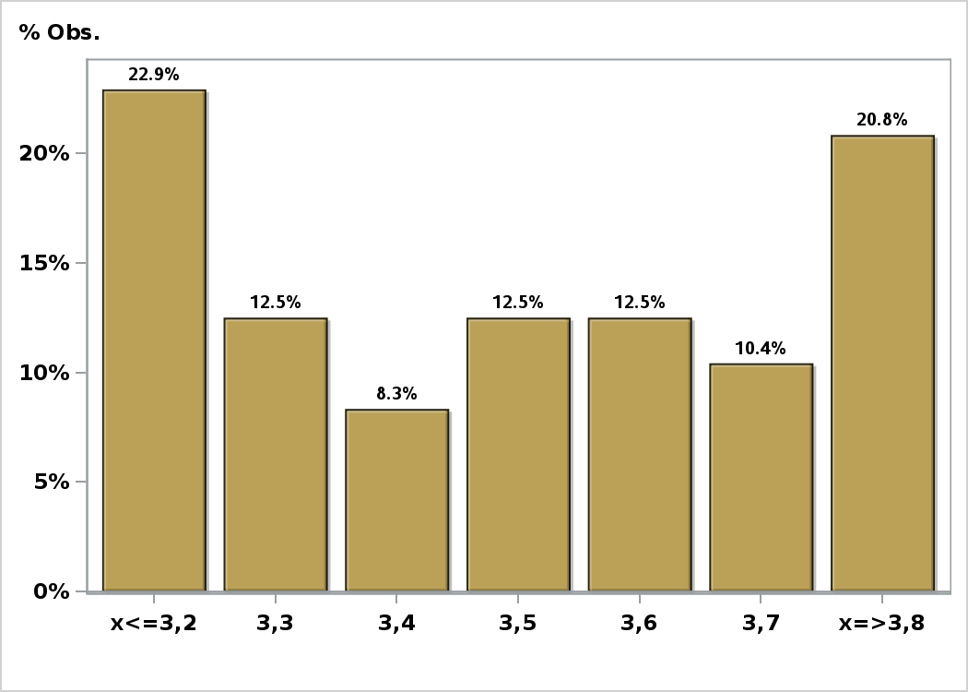

Click to view summary table

Graph4
Monthly Survey On Expectations September 2023
Inflation in twenty three months (12-month change)
Answers: 48 Median: 3%

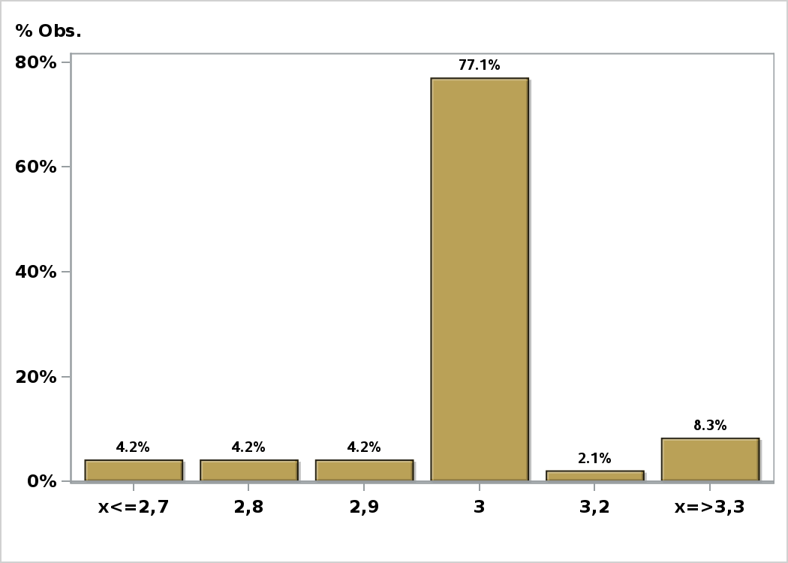

Click to view summary table

Graph5
Monthly Survey On Expectations September 2023
Inflation in thirty five months (12-month change)
Answers: 48 Median: 3%

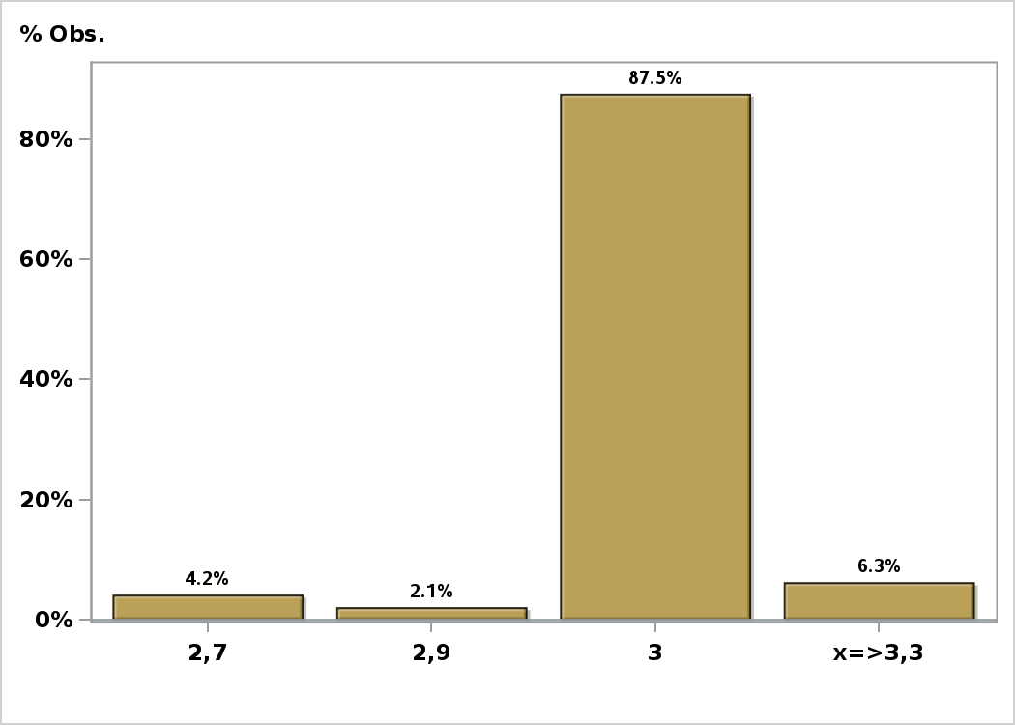

Click to view summary table

Graph6
Monthly Survey On Expectations September 2023
Inflation december 2023 ( 12-month change )
Answers: 48 Median: 4%

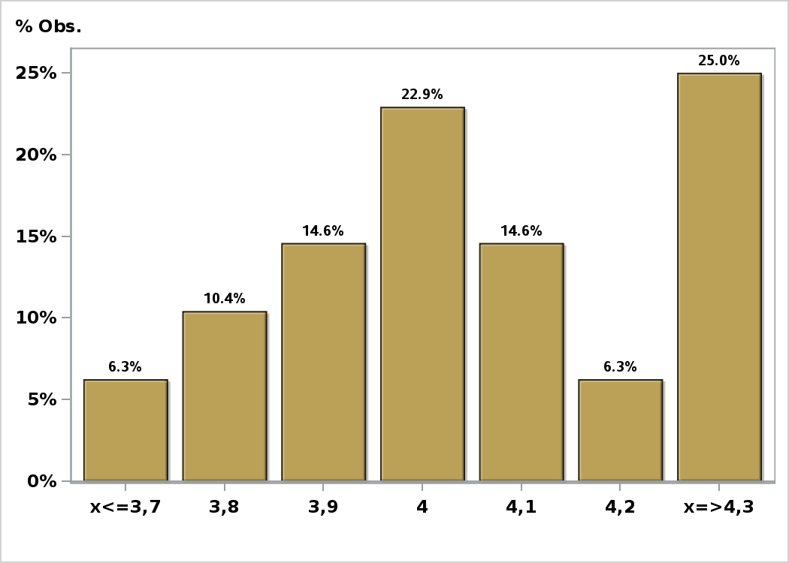

Click to view summary table

Graph7
Monthly Survey On Expectations September 2023
Inflation december 2024 ( 12-month change )
Answers: 49 Median: 3%

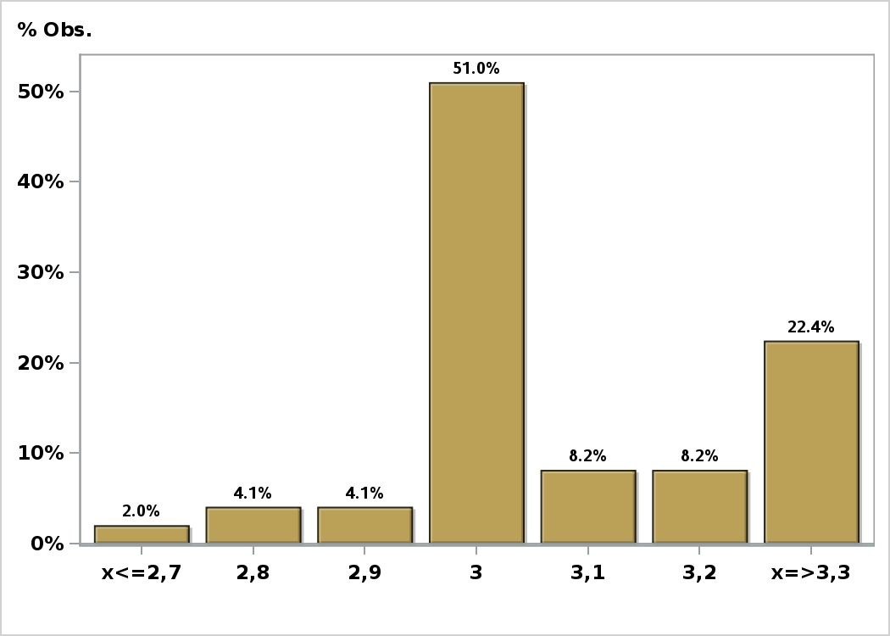

Click to view summary table

Graph8
Monthly Survey On Expectations September 2023
Inflation without volatiles current month (monthly change)
Answers: 31 Median: 0,3%

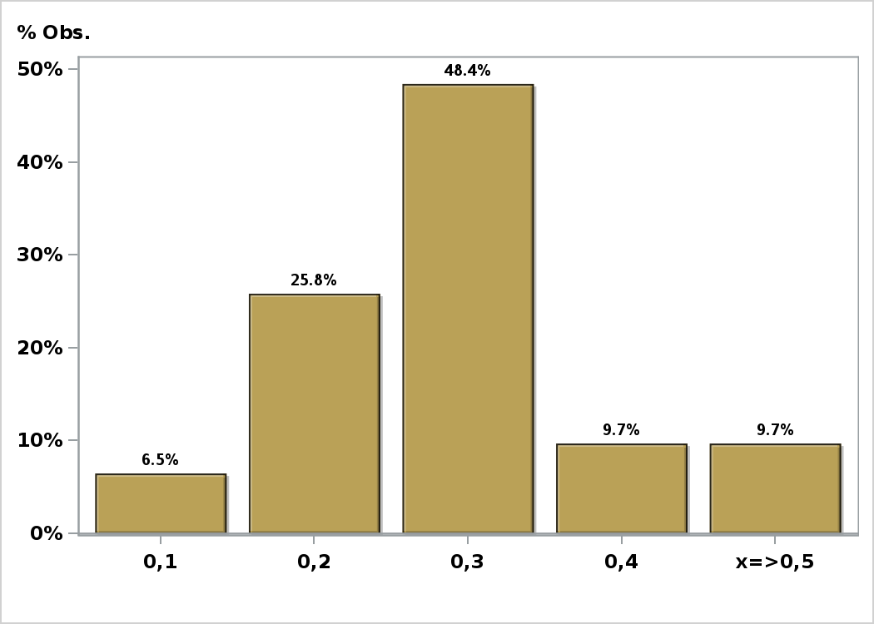

Click to view summary table

Graph9
Monthly Survey On Expectations September 2023
Inflation without volatiles next month (monthly change)
Answers: 30 Median: 0,3%

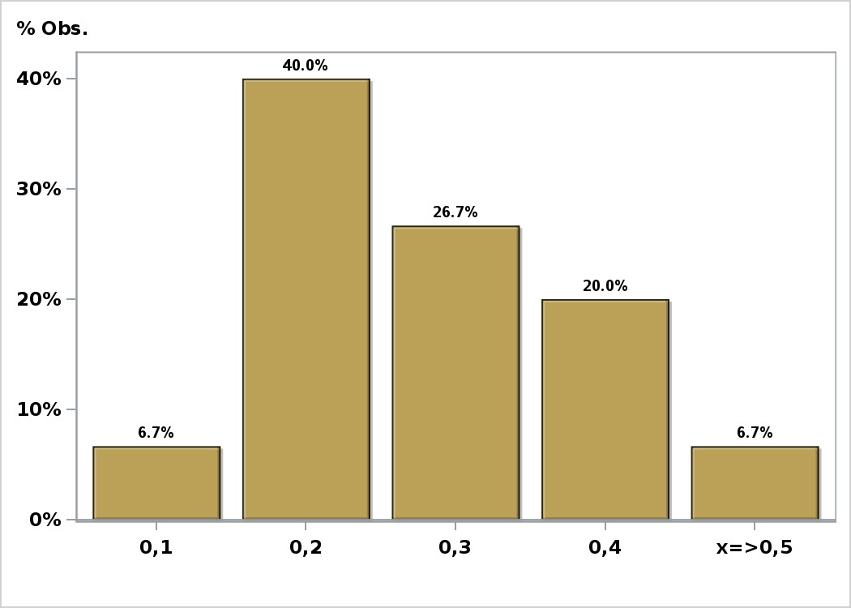

Click to view summary table

Graph10
Monthly Survey On Expectations September 2023
Inflation without volatiles in eleven months (12-month change)
Answers: 30 Median: 3,5%

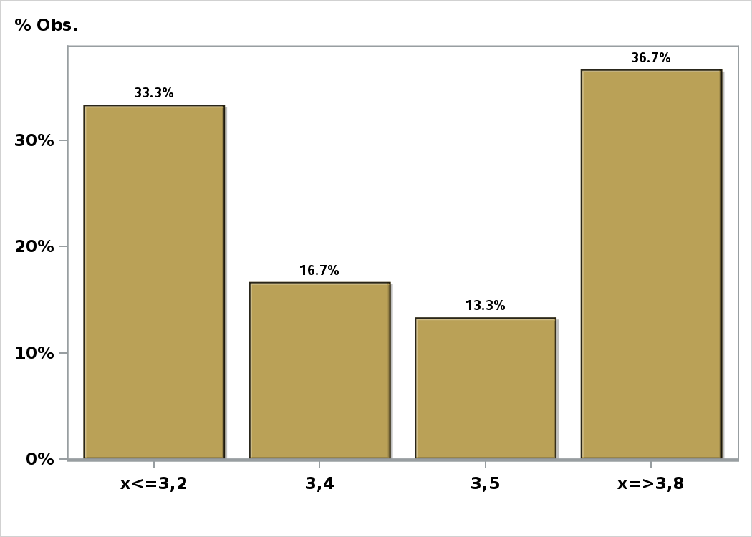

Click to view summary table

Graph11
Monthly Survey On Expectations September 2023
Inflation without volatiles in twenty three months (12-month change)
Answers: 30 Median: 3%

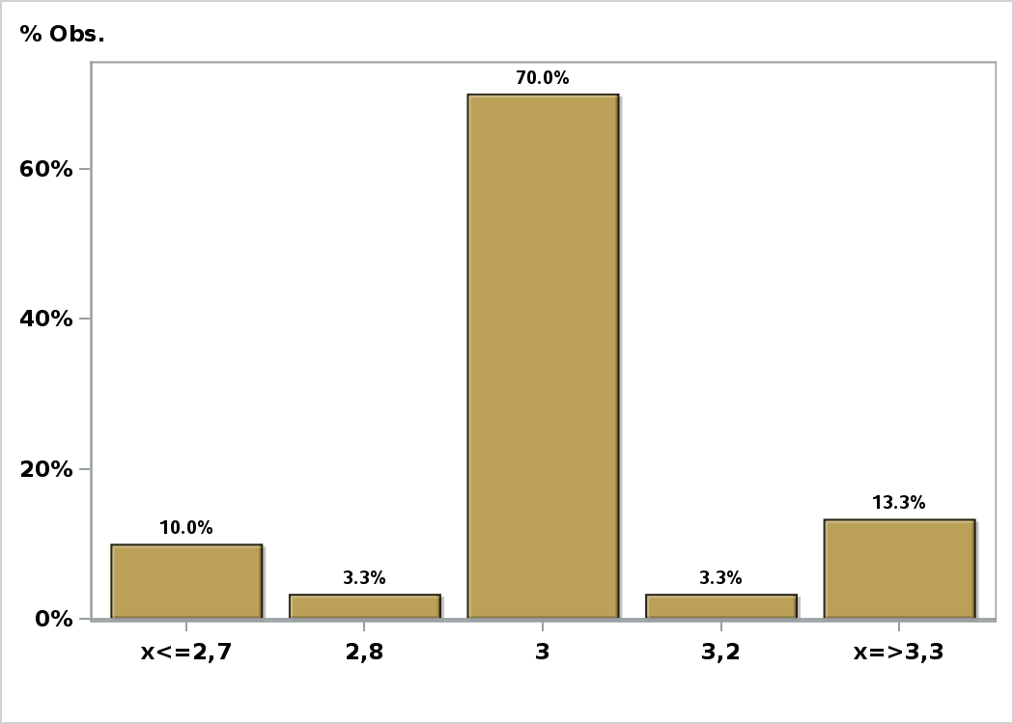

Click to view summary table

Graph12
Monthly Survey On Expectations September 2023
Inflation without volatiles in thirty five months (12-month change)
Answers: 30 Median: 3%

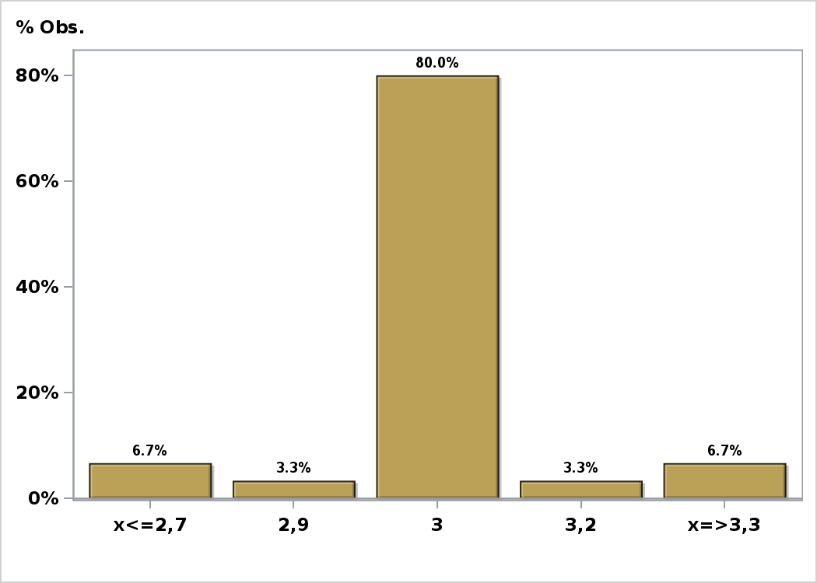

Click to view summary table

Graph13
Monthly Survey On Expectations September 2023
Inflation without volatiles december 2023 ( 12-month change )
Answers: 30 Median: 5,8%

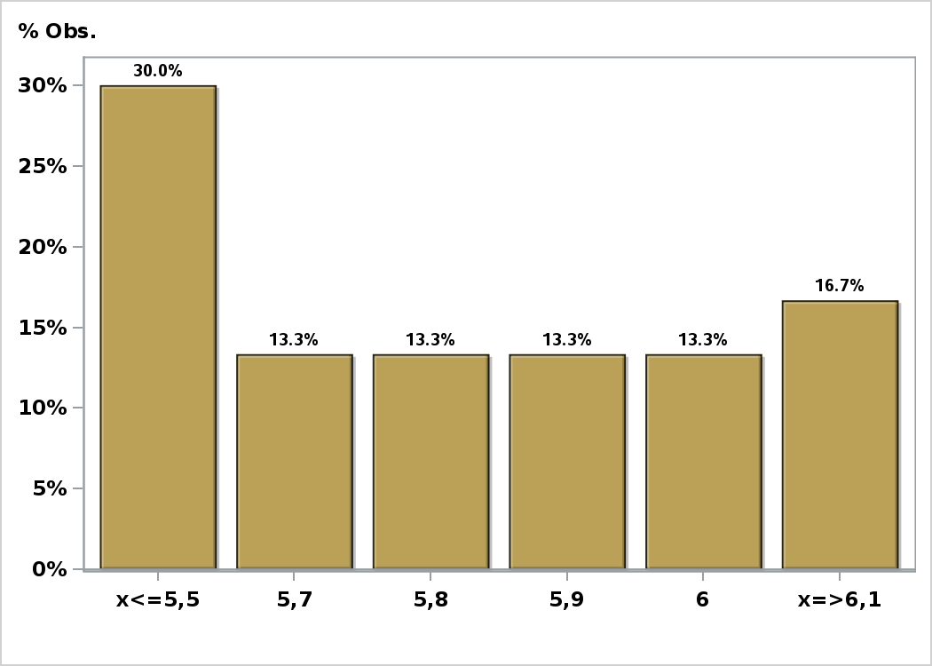

Click to view summary table

Graph14
Monthly Survey On Expectations September 2023
Inflation without volatiles december 2024 ( 12-month change )
Answers: 30 Median: 3,1%

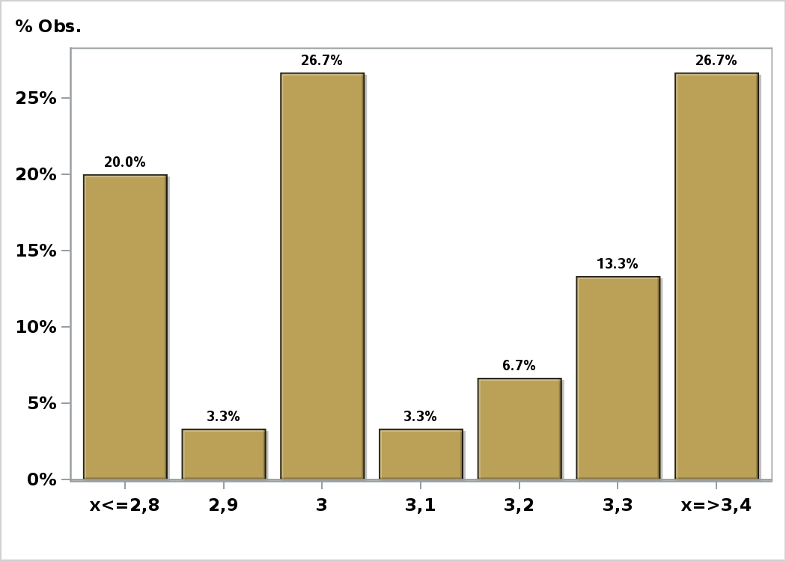

Click to view summary table

Graph15
Monthly Survey On Expectations September 2023
Monetary Policy rate target following meeting
Answers: 47 Median: 8,75%

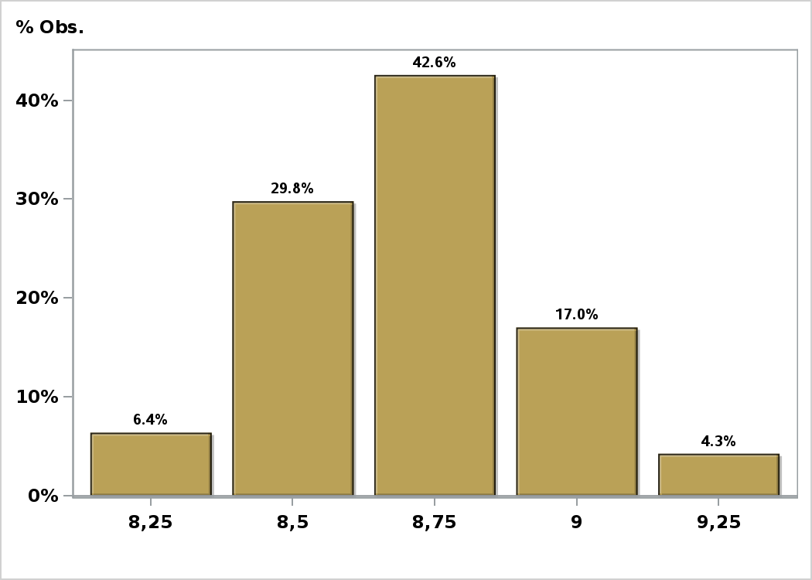

Click to view summary table

Graph16
Monthly Survey On Expectations September 2023
Monetary Policy rate target second following meeting
Answers: 48 Median: 8%

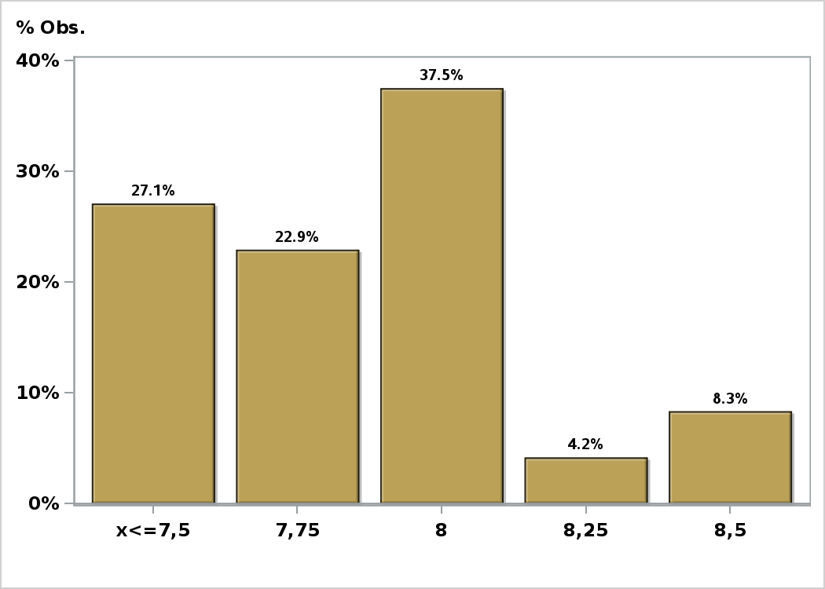

Click to view summary table

Graph17
Monthly Survey On Expectations September 2023
Monetary Policy rate target In five months
Answers: 48 Median: 7%

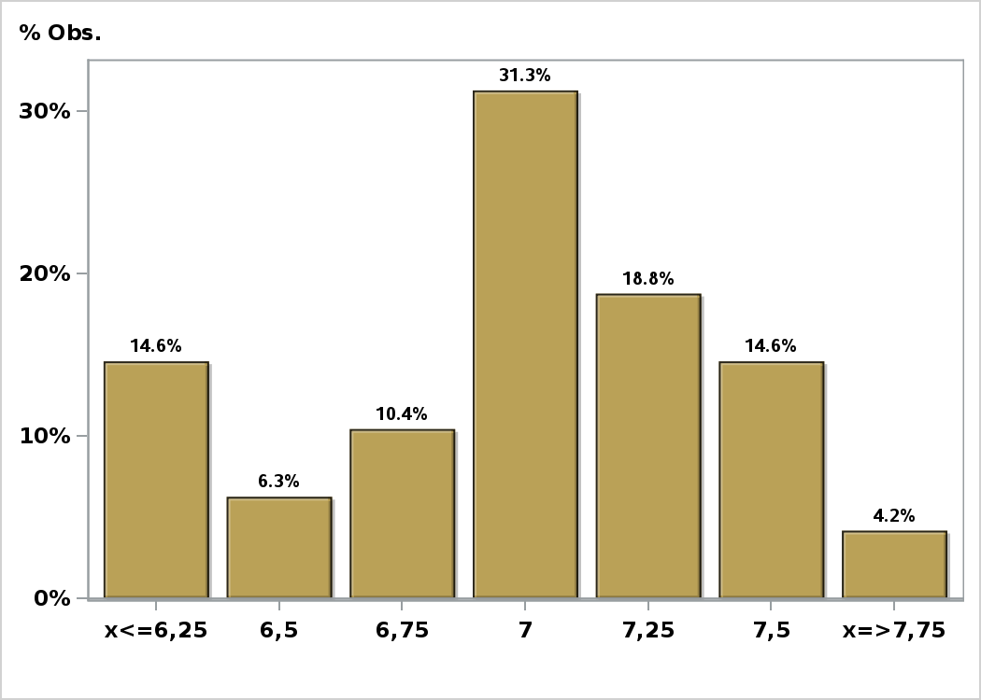

Click to view summary table

Graph19
Monthly Survey On Expectations September 2023
Monetary Policy rate target in eleven months
Answers: 48 Median: 5%

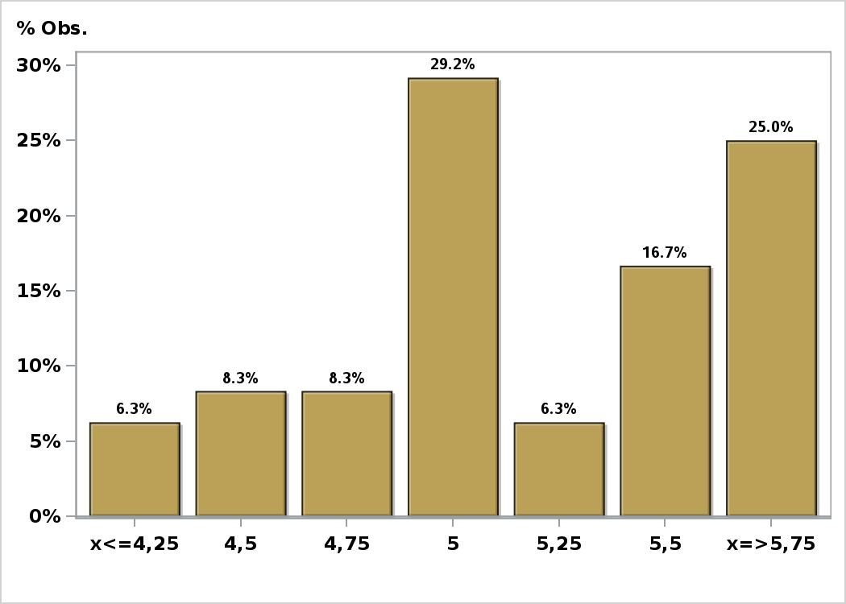

Click to view summary table

Graph20
Monthly Survey On Expectations September 2023
Monetary Policy rate target in seventeen months
Answers: 48 Median: 4,5%

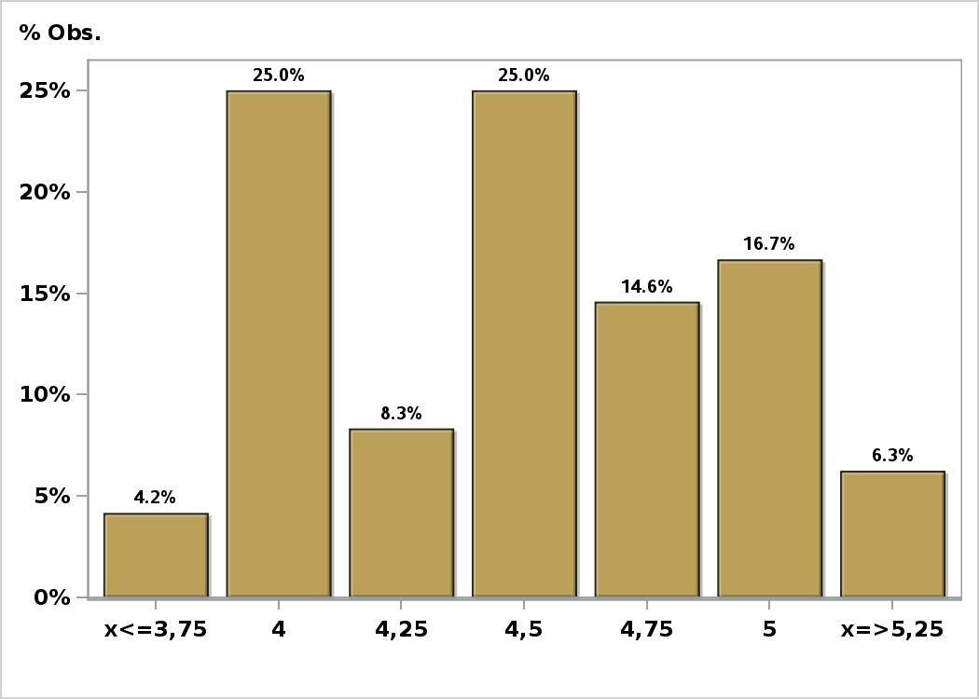

Click to view summary table

Graph21
Monthly Survey On Expectations September 2023
Monetary Policy rate target in twenty three months
Answers: 48 Median: 4,25%

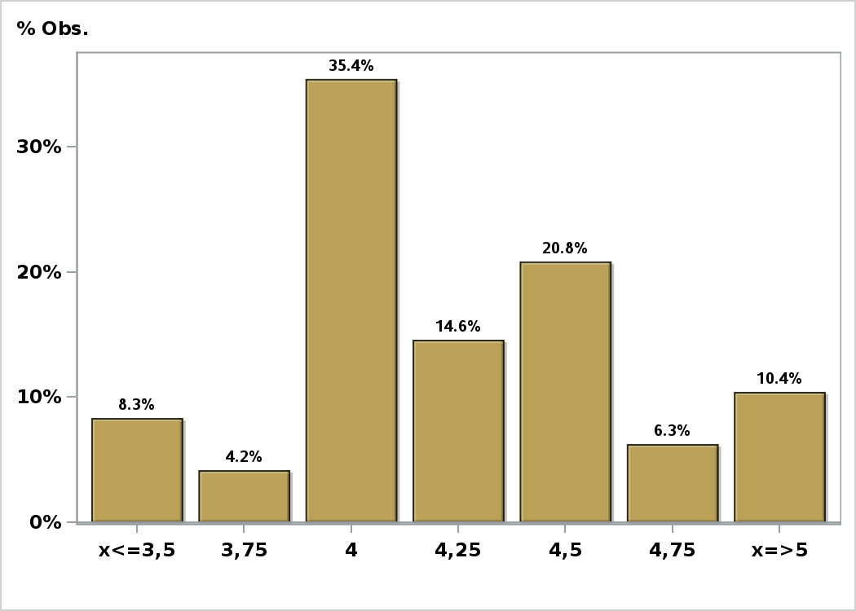

Click to view summary table

Graph22
Monthly Survey On Expectations September 2023
Monetary Policy rate target in thirty five months
Answers: 47 Median: 4%

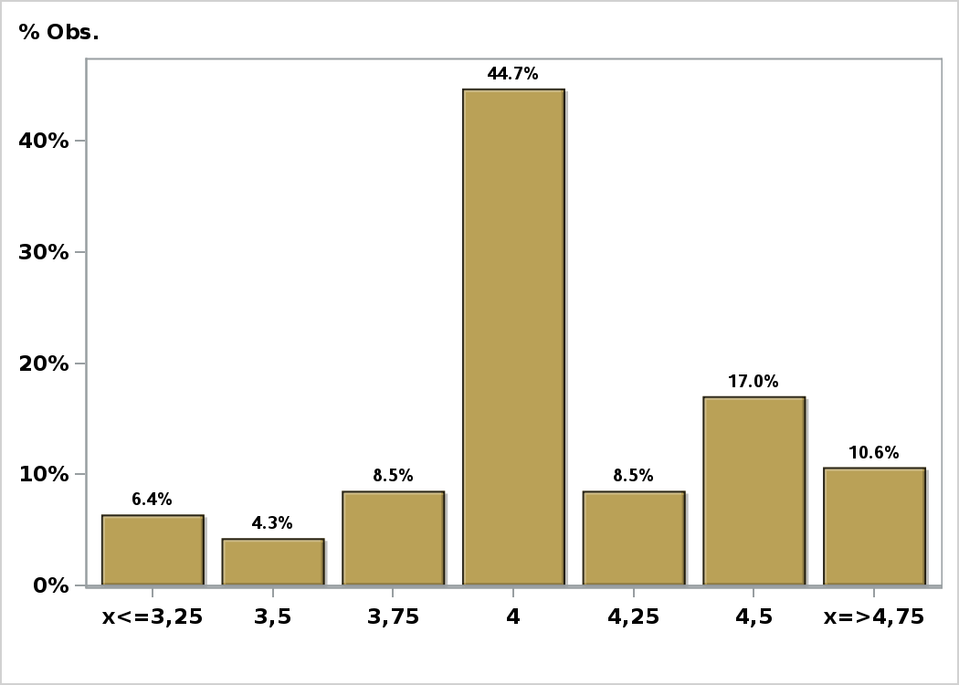

Click to view summary table

Graph23
Monthly Survey On Expectations September 2023
Exchange Rate in two months (CH $ per US$)
Answers: 49 Median: $860

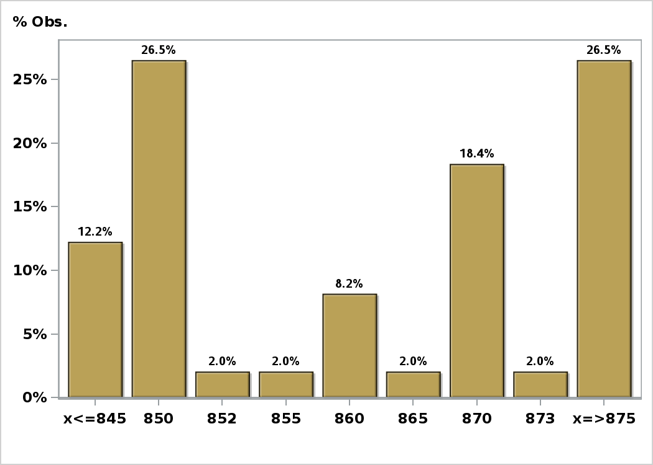

Click to view summary table

Graph24
Monthly Survey On Expectations September 2023
Exchange Rate in eleven months (CH $ per US$)
Answers: 49 Median: $840

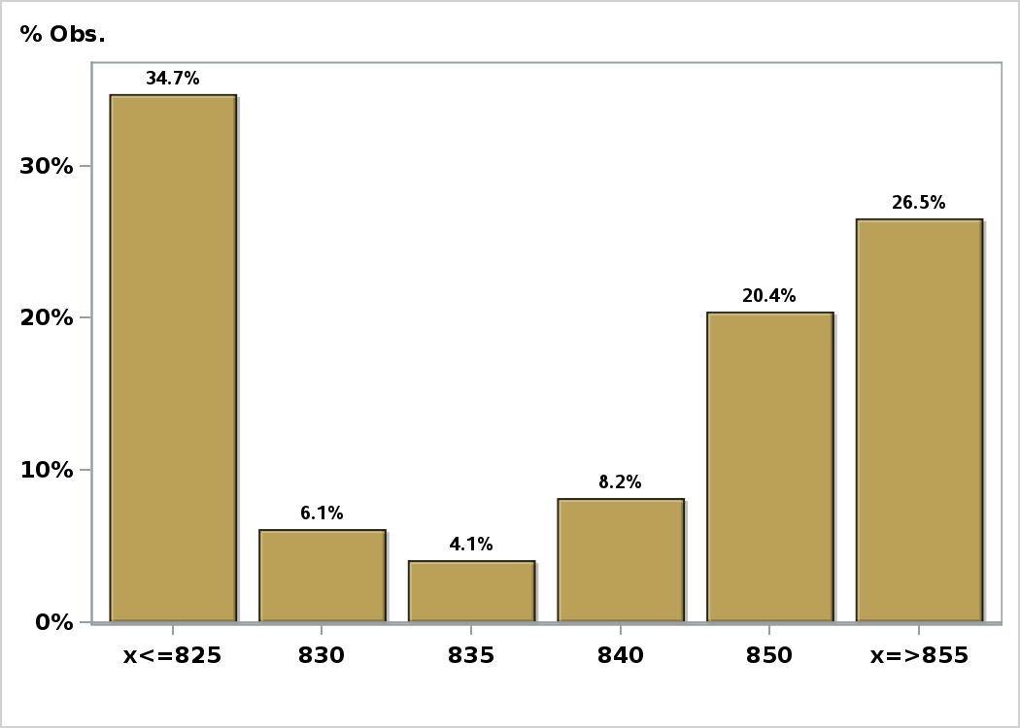

Click to view summary table

Graph25
Monthly Survey On Expectations September 2023
Exchange Rate in twenty three months forward (CH $ per US$)
Answers: 49 Median: $825

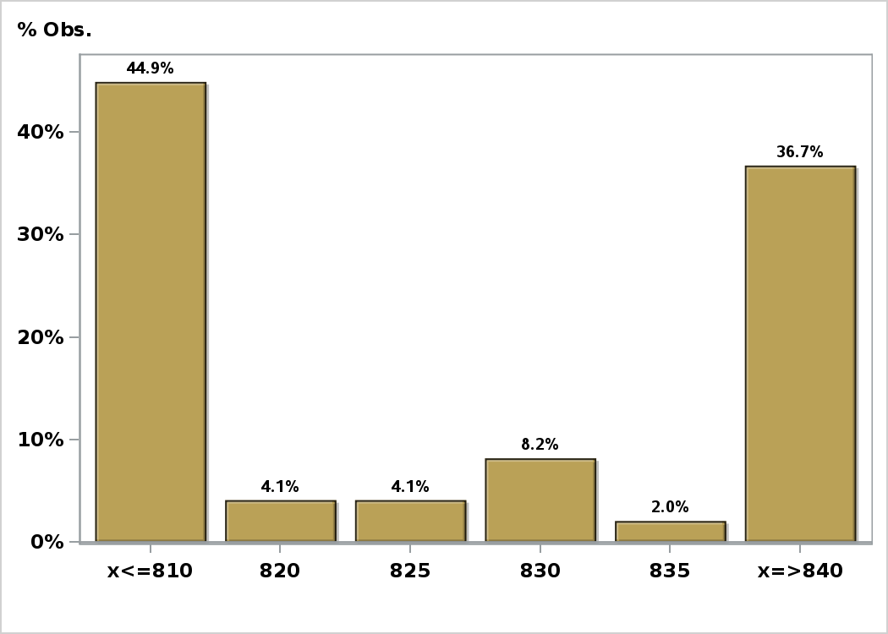

Click to view summary table

Graph26
Monthly Survey On Expectations September 2023
IMACEC (Monthly Activity Index) one month ago
Answers: 44 Median: -0,2%

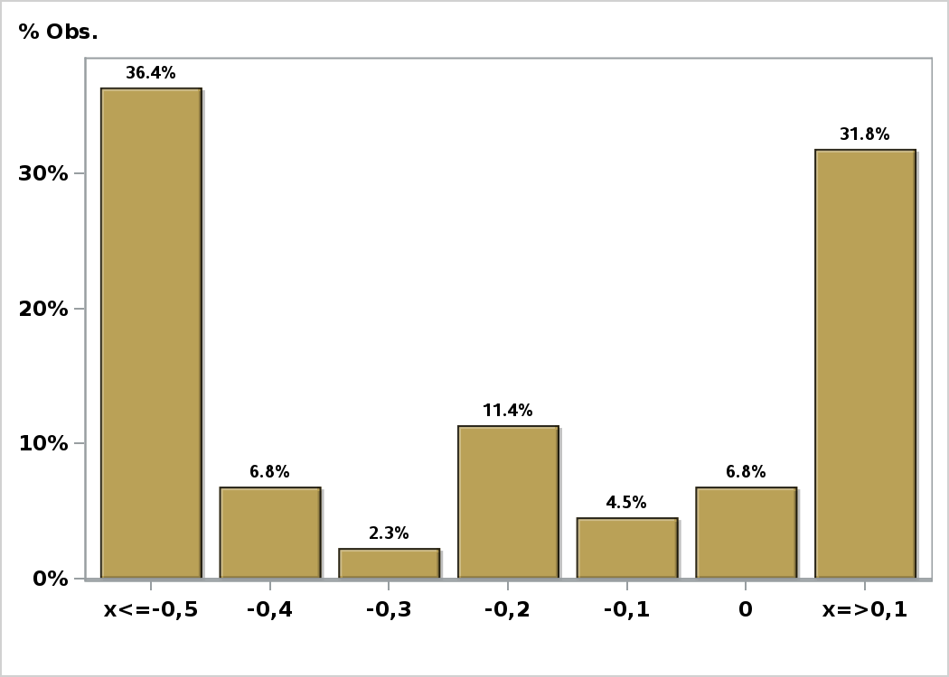

Click to view summary table

Graph27
Monthly Survey On Expectations September 2023
IMACEC No Mining (Monthly Activity Index) one month ago
Answers: 36 Median: -0,4%

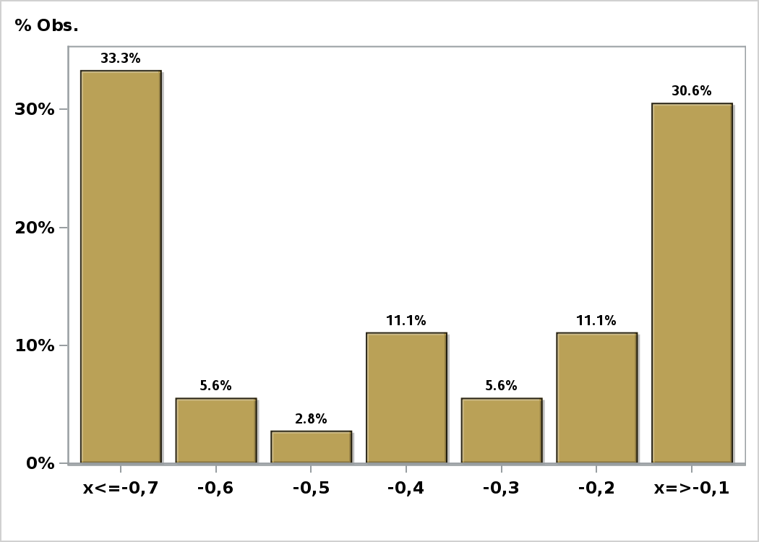

Click to view summary table

Graph28
Monthly Survey On Expectations September 2023
GDP within calendar quarter of the survey
Answers: 44 Median: 0,3%

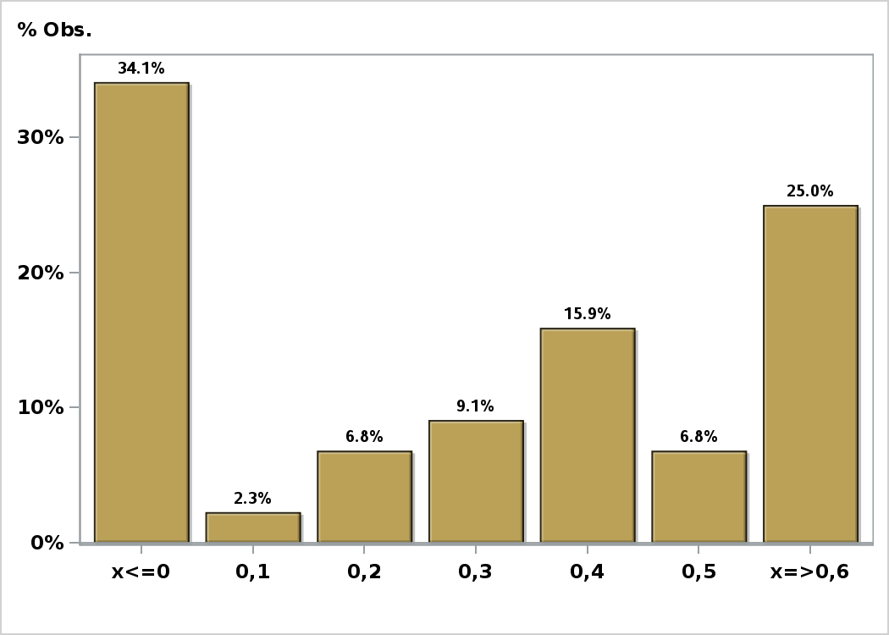

Click to view summary table

Graph29
Monthly Survey On Expectations September 2023
GDP year 2023 (12-month change)
Answers: 45 Median: -0,3%

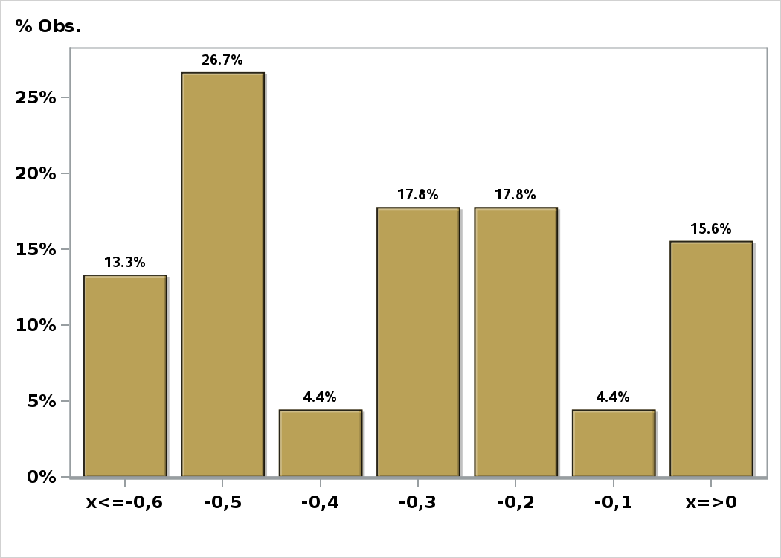

Click to view summary table

Graph30
Monthly Survey On Expectations September 2023
GDP year 2024 (12-month change)
Answers: 44 Median: 2%

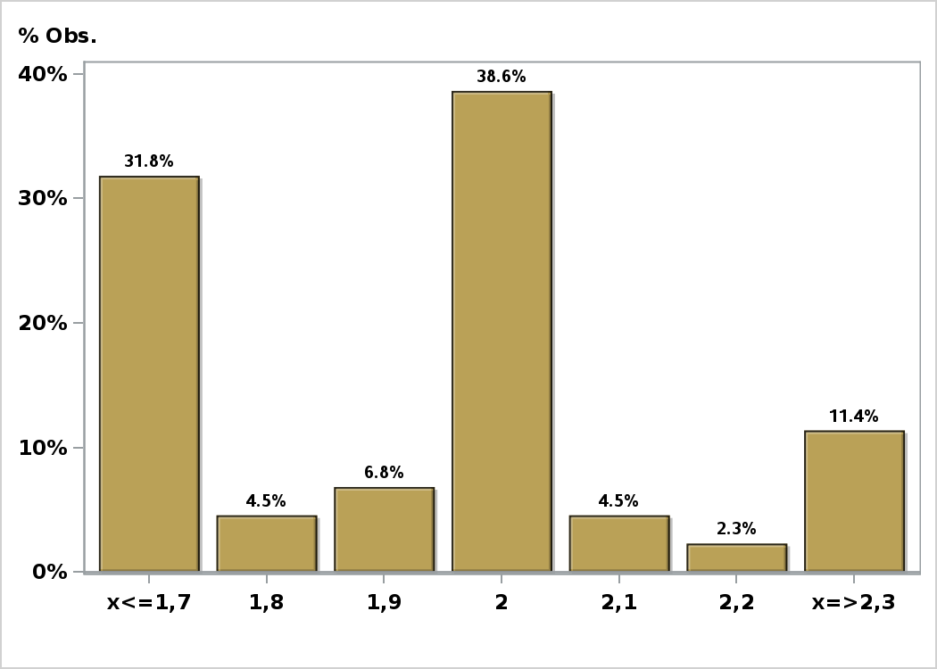

Click to view summary table

Graph31
Monthly Survey On Expectations September 2023
GDP year 2025 (12-month change)
Answers: 44 Median: 2,2%

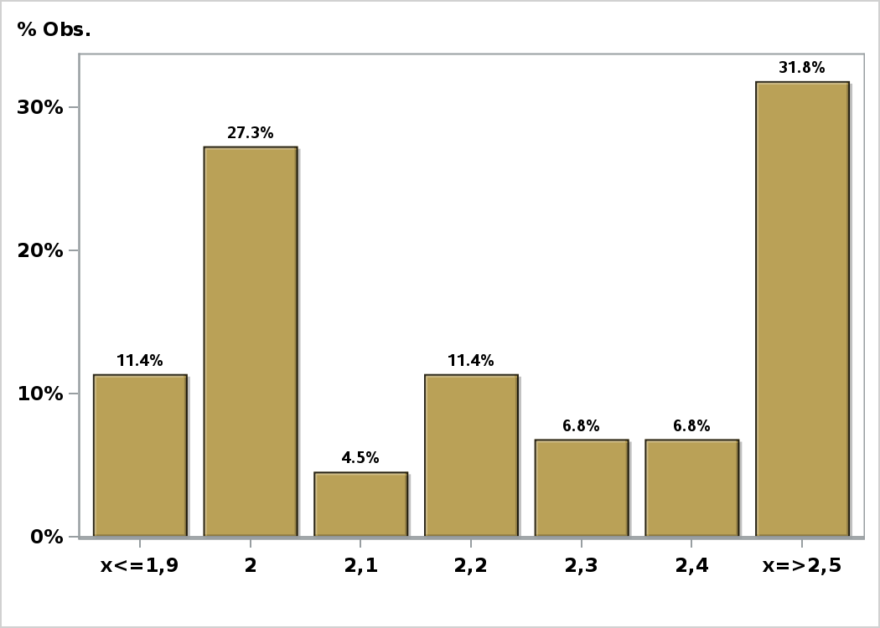

Click to view summary table

Graph32
Monthly Survey On Expectations September 2023
GDP No Mining within calendar quarter of the survey
Answers: 36 Median: 0,1%

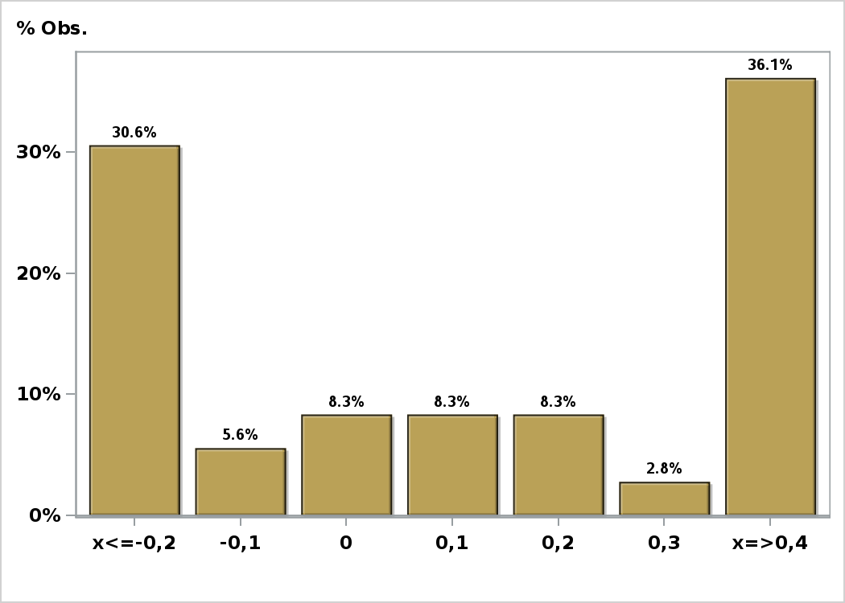

Click to view summary table

Graph33
Monthly Survey On Expectations September 2023
GDP No Mining year 2023 (12-month change)
Answers: 36 Median: -0,5%

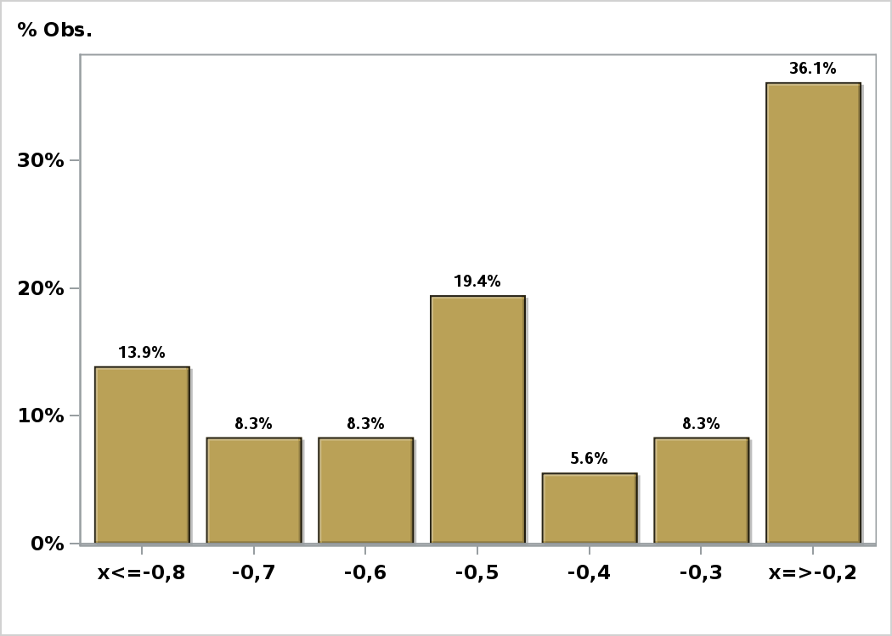

Click to view summary table

Graph34
Monthly Survey On Expectations September 2023
GDP No Mining year 2024 (12-month change)
Answers: 35 Median: 1,9%

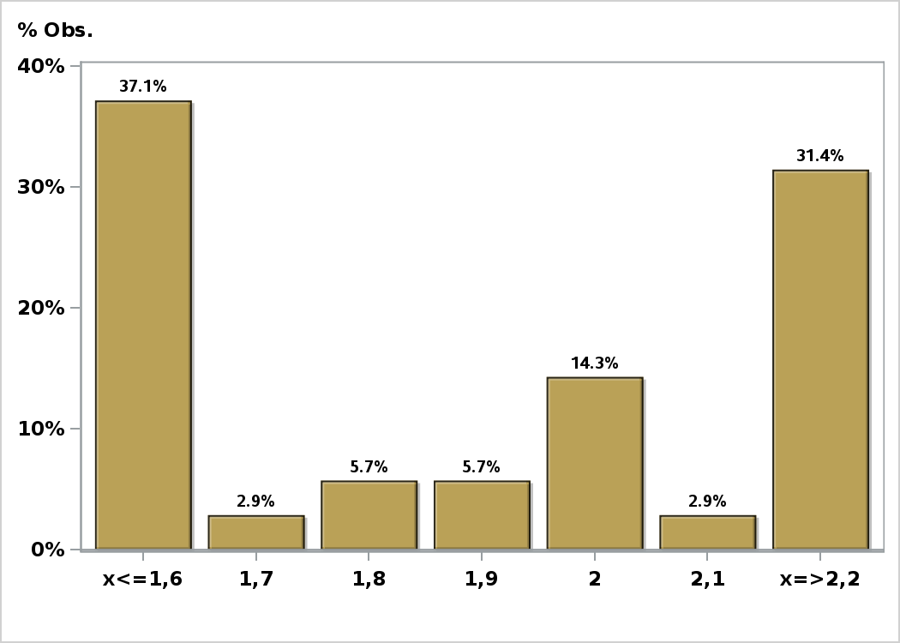

Click to view summary table

Graph35
Monthly Survey On Expectations September 2023
GDP No Mining year 2025 (12-month change)
Answers: 35 Median: 2,3%

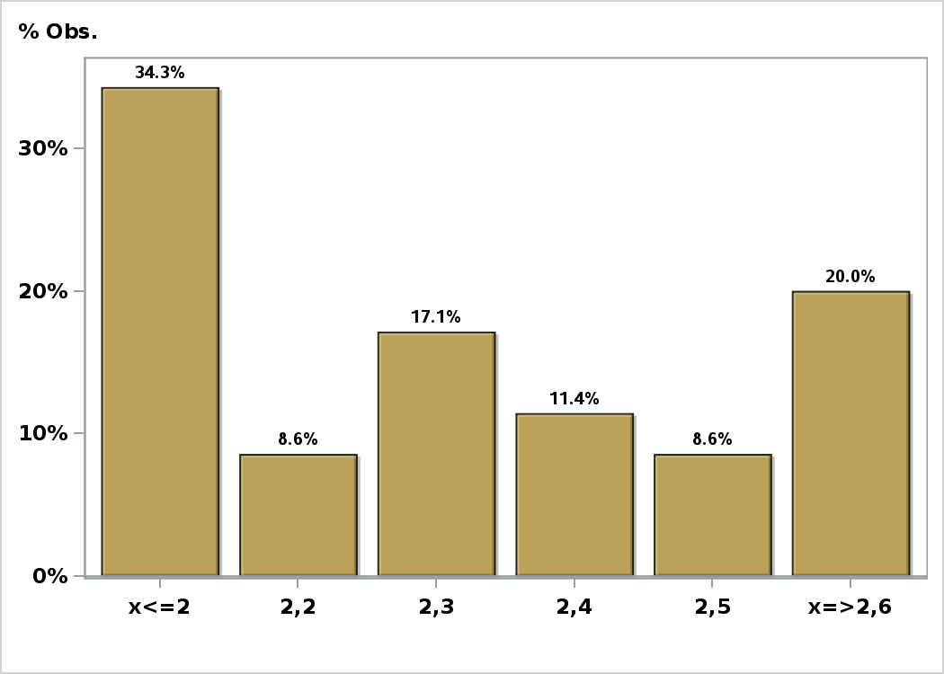

Click to view summary table

Graph36
Monthly Survey On Expectations September 2023
HFC including NPO year 2023 (12-month change)
Answers: 36 Median: -4,2%

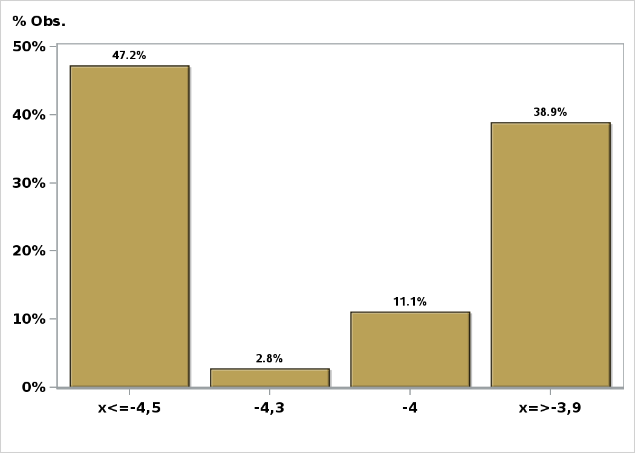

Click to view summary table

Graph37
Monthly Survey On Expectations September 2023
HFC including NPO year 2024 (12-month change)
Answers: 36 Median: 1,8%

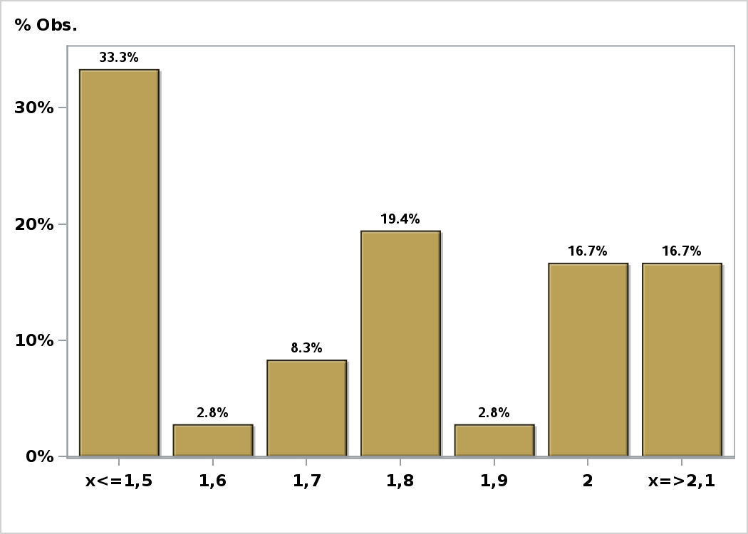

Click to view summary table

Graph38
Monthly Survey On Expectations September 2023
GFCF year 2023 (12-month change)
Answers: 36 Median: -2%

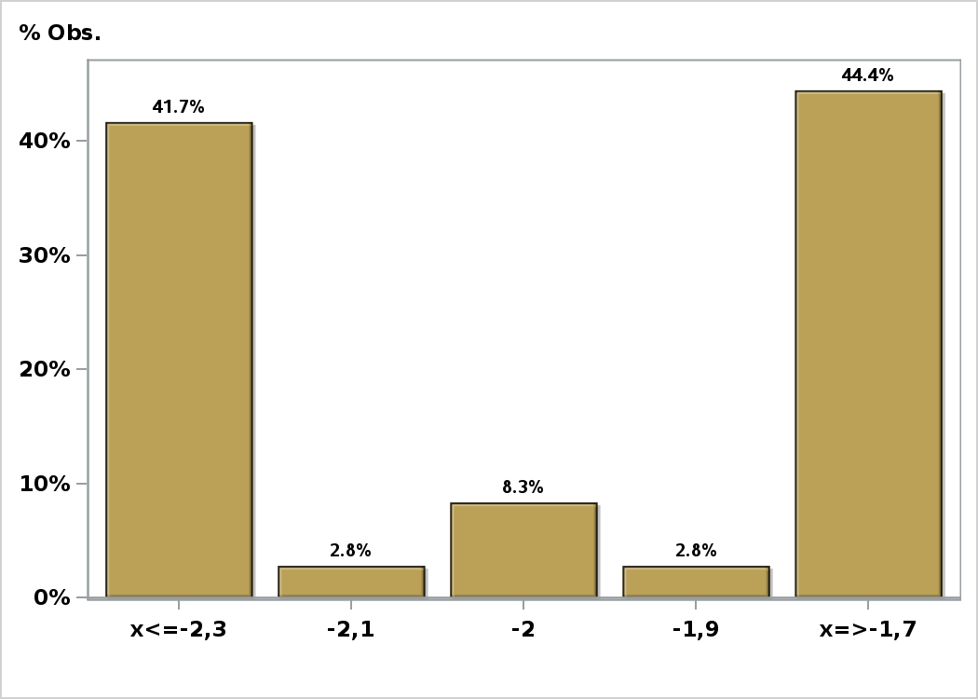

Click to view summary table

Graph39
Monthly Survey On Expectations September 2023
GFCF year 2024 (12-month change)
Answers: 36 Median: 0,5%

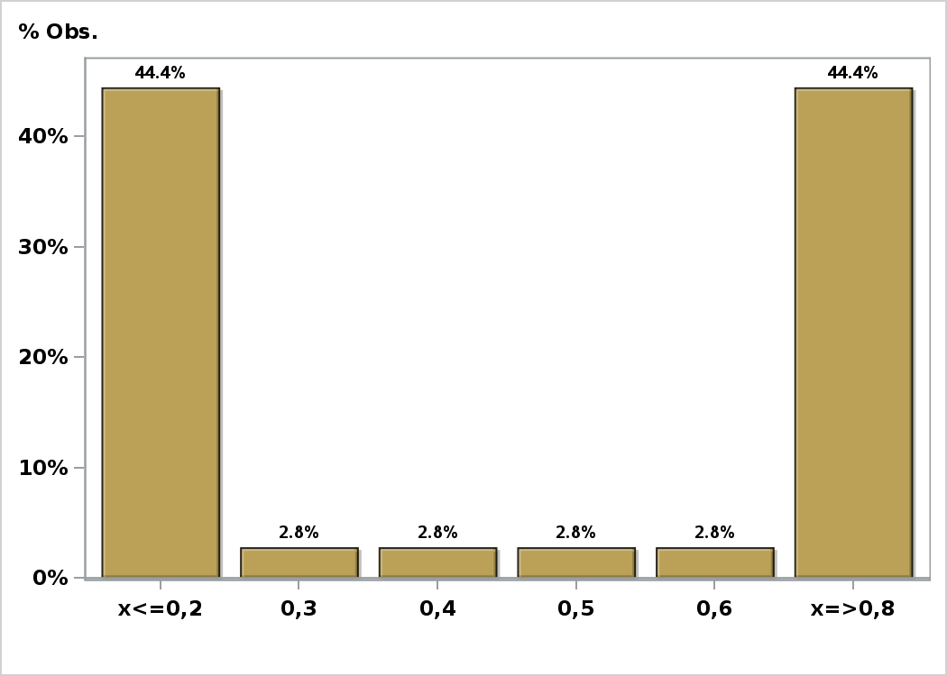

Click to view summary table

